FRDPARRC
 | LEADSCREW DESIGN
 | Written by Victor Prost 04/18

 | Leadscrew for actuating LMS for T-based lathe

 | Functional Requirements (see FRDPARRC picture below table):
 | - Travel of 100mm | - Axial Stiffness >0.5 N/um
 | - Driving torque <500Nmm (about 1kg at 50mm) | - Not fail under cutting loads (secure mounting + stress considerations)
 | - Resolution <100um | - No backlash in the nut

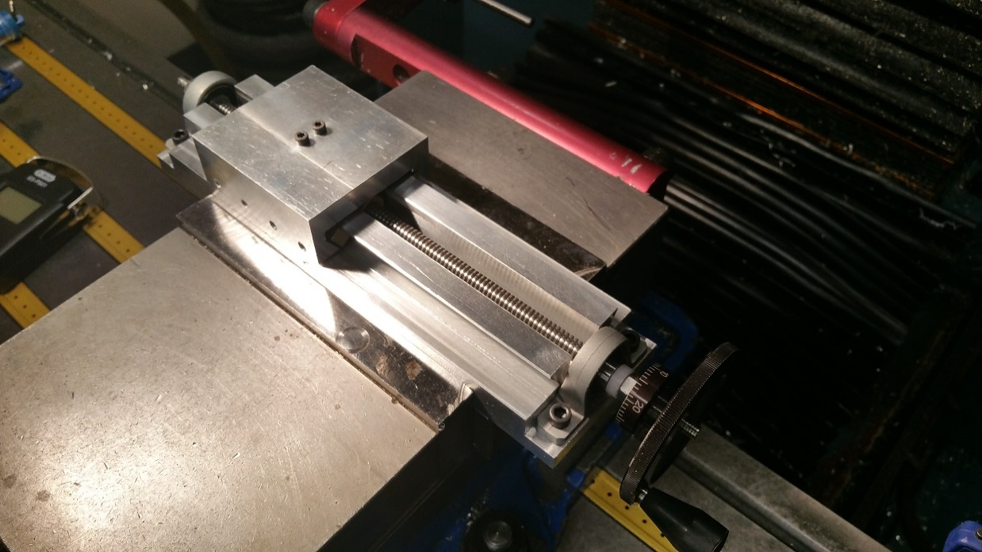
 |  | CHOSEN CONCEPT
 |  | Predicted | Target | Measured
 |  | BALL BEARINGS
Design Parameters | Thread type | T8 - ACME
 | Thread angle [deg] | 15
 | Lead [mm/rev] | 2
 | Diameter (out) [mm] | 8
 | Diameter (root) [mm] | 6
 | Bearing Layout | Ball bearing concept
Analysis | Driving Torque [Nmm] | 273 | < 500 | NA
 | Driving Torque without cutting loads [Nmm] | 145 | < 200 | 128
 | Axial Stiffness [N/um] | 5.6 | > 0.5 | 2.6
 | Resolution [um] | 11 | < 50 | NA
 | Backdriveable [-] | No | No | No

LMS with leadscrew
 | Safety Factor - VM Stress under cutting loads [-] | 19 | > 2 | NA
 | Safety Factor - Compressive load buckling [-] | 9 | > 2 | NA
 | Safety Factor - Fatigue Stress/Endurance limit [-] | 9.7 | > 2 | NA

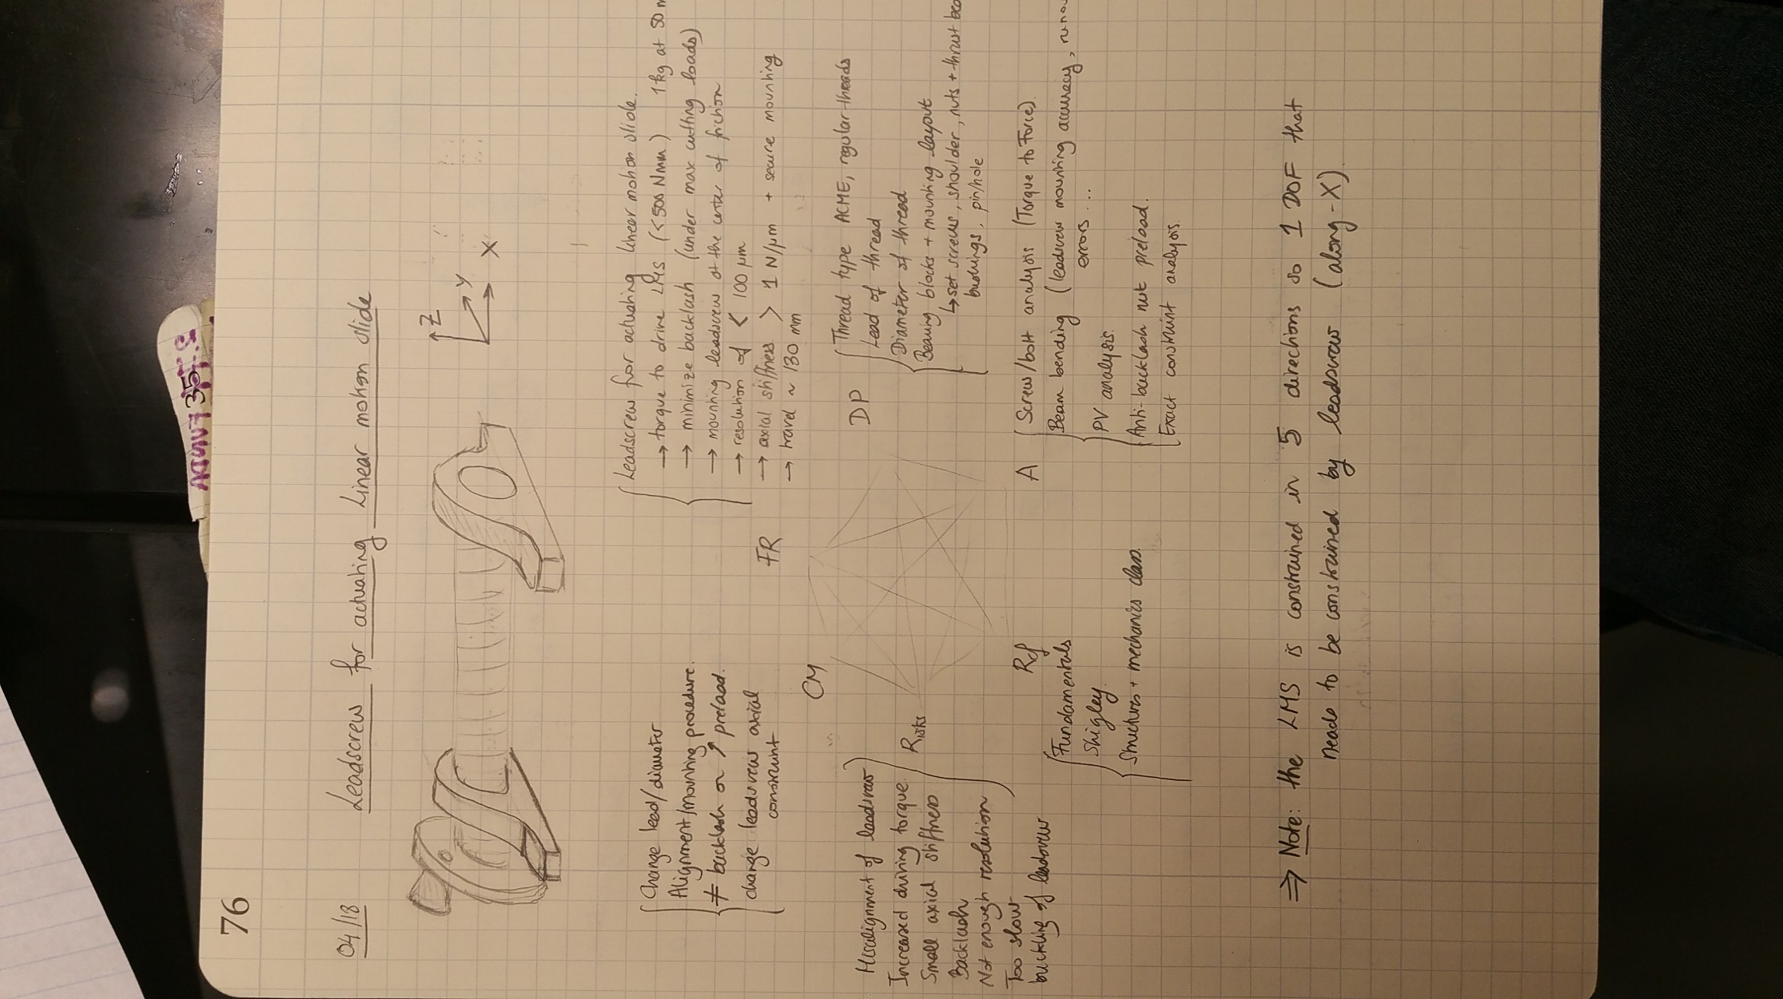
SCHEMATIC OF THE FRDPARRC IN THE NOTEBOOK
 | Y - Accuracy at Tool Tip [um] (Alignment & Bowing) | 1.0 | < 20 | <10
 | Z - Accuracy at Tool Tip [um] (Alignment & Bowing) | 2.3 | < 20 | <10
 | X - Accuracy at Tool Tip [um] (Cutting Loads) | 47 | < 100 | NA
 | X - Accuracy at Tool Tip [um] (LeadError) | NA | < 5 | <5

 | Thermal Stability | Yes | Yes | NA
 | Range of Motion | 140 | >100 | 140
References |  | -Fundamentals Topic 8 (Structures) -Fundamentals Topic 10 (Bearings) - Fundamentals Topic 6 (Leadscrews) - Shigley Machine Design Textbook - Kalpakjian Menufacturing Engineering Textbook (Cutting Loads)
Risks |  | - Wear of the delrin shoulder bushing - not enough preload on the anti-backlash nut spring - carriage/nut coupler too compliant
CMs |  | -Use bronze shoulder bushings - change the anti-blacklash strategy to a splitnut - change the coupler's dimension to increase stiffness
SUMMARY |  | This design is robust enough, fulfill all the requirements and can be made using a lathe and a thread die (available material too)

A- ANALYSIS
 |  |  |  |  |  |  |  |  |  | TOOL LOADS
 |  |  |  |  |  |  |  |  |  | MMR: | Aluminum
 |  |  |  |  |  |  |  |  |  | Cutting Force (Fz), [N] | 110 | N
DESIGN PARAMETERS | LEAD SCREW PARAMETERS |  |  | LEADSCREW MATERIAL PROPERTIES 304 STEEL |  |  | FRICTION COEFFICIENTS |  |  | Thrust Force (Fx), [N] | 83 | N
 | Thread type | ACME |  | Density | 8000 | kg/m3 | Sliding Brass/Steel | 0.19 |  | Radial Force (Fy), [N] | 83 | N
 | Thread angle | 15 | deg | Modulus of Elasticity | 193 | GPa | Sliding Brass/Aluminum | 0.35 |  | Roughing: | Aluminum
 | Lead | 2 | mm/rev | Shear Modulus | 75 | GPa | Sliding Teflon/Aluminum | 0.1 |  | Cutting Force (Fz), [N] | 53 | N
 | Diameter (out) | 8 | mm | Yield Strength | 215 | MPa | Sliding Delrin/Aluminum | 0.2 |  | Thrust Force (Fx), [N] | 41 | N
 | Diameter (root) | 6 | mm | Utlimate Strength | 505 | MPa | Sliding Steel/Steel | 0.4 |  | Radial Force (Fy), [N] | 41 | N
 | Mean Diameter | 7 | mm | Poisson's Ratio | 0.29 |  | Rolling Steel/Steel (hardened) | 0.0015 |  | Finishing: | Aluminum
 | Minimum dist from bearing mounts (carriage geometry) | 35 | mm |  |  |  |  |  |  | Cutting Force (Fz), [N] | 9 | N
 | Leadscrew length | 230 | mm |  |  |  |  |  |  | Thrust Force (Fx), [N] | 7 | N
 |  |  |  |  |  |  |  |  |  | Radial Force (Fy), [N] | 7 | N

DRIVING TORQUE
 |  |  |  |  | BALL BEARING CONCEPT | BUSHING CONCEPT |  |  |  |  |  | DIFFERENT CONCEPTS
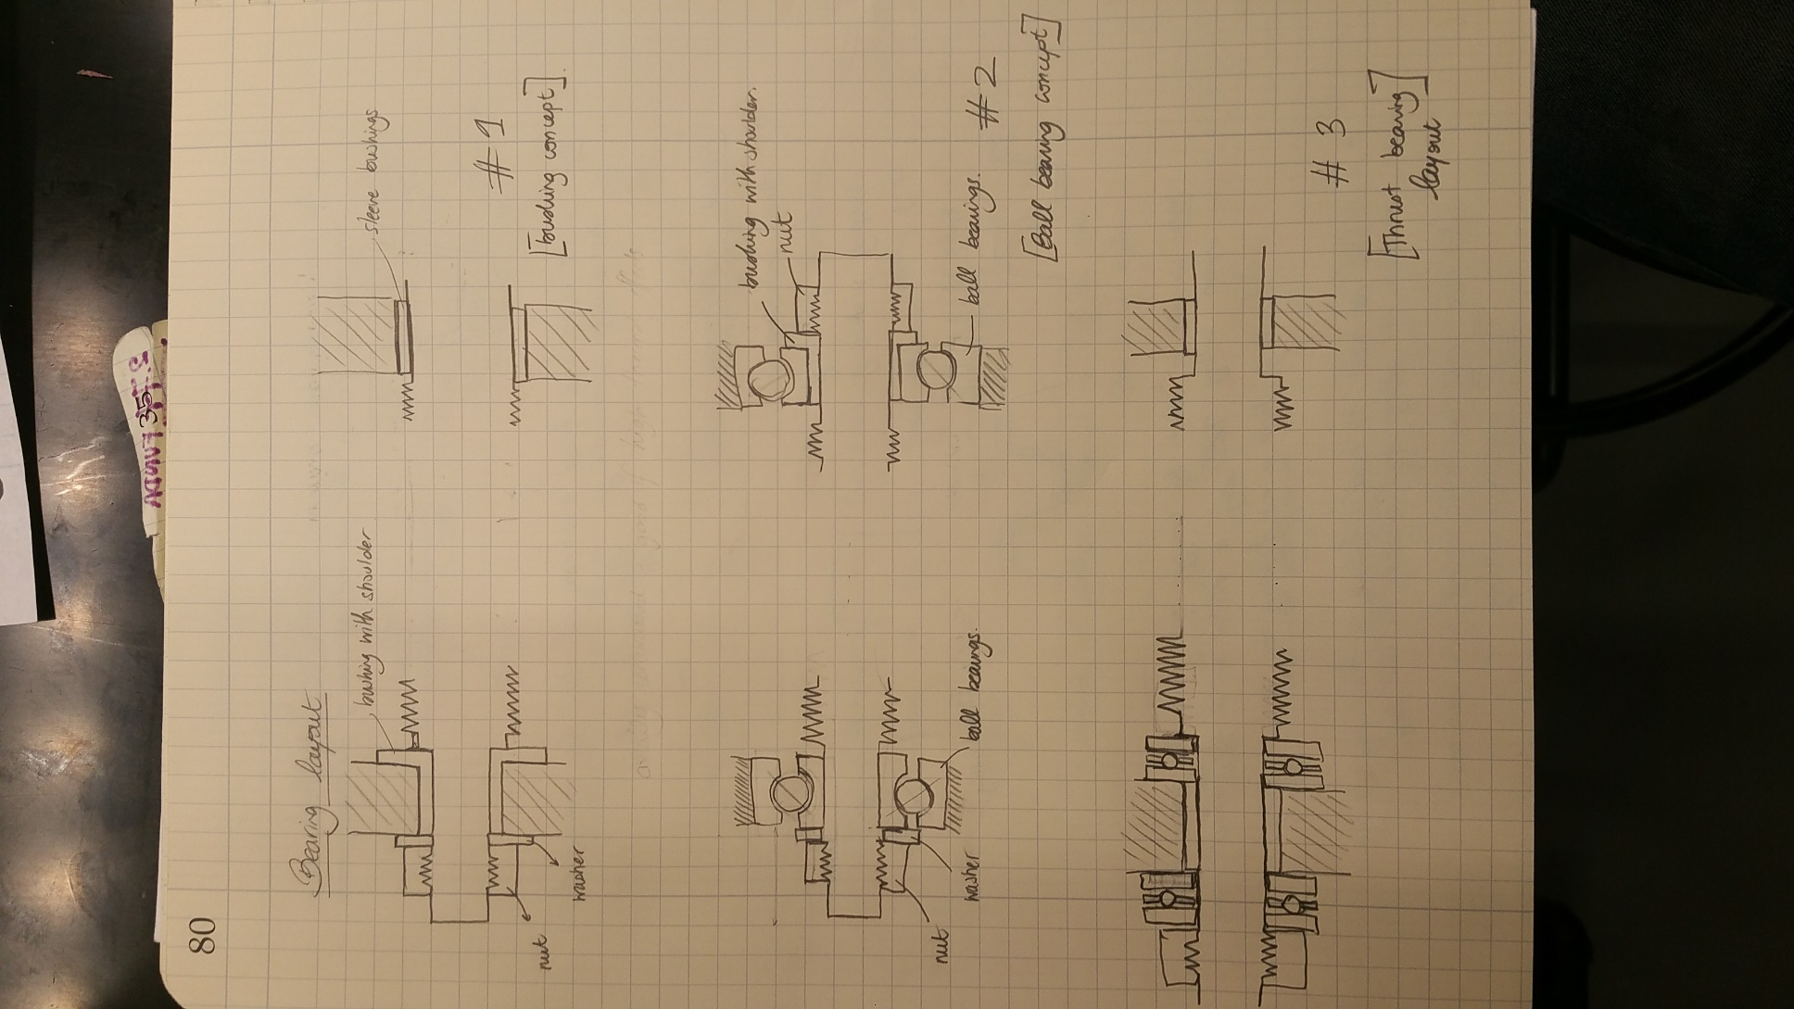
 | LOADS FROM CARRIAGE |  |  | LOADS FROM MOUNTING LEADSCREW
 | Preload on carriage rails [N] | 68 |  | Axial Leadscrew Preload [N] | 10 | 10
 | Friction from cutting force [N] | 14.9 |  | Friction from axial preload [N] | 0.015 | 2
 | Friction from radial force [N] | 56.5 |  | Friction from carriage loads [N] | 0.40 | 52.9
 | Cutting load from thrust force [N] | 83
 | Preload force on the leadscrew nut [N] | 110

 | Total load to move the carriage [N] | 264 |  | Total friction loads on mounting blocks [N] | 0.41 | 54.89
 | Driving torque to move the carriage [Nmm] | 271 |  | Driving torque to overome mounting blocks friction [Nmm] | 2 | 220

STIFFNESS/ STRESS
 | BALL BEARINGS STIFFNESS (ESTIMATE) |  |  | LEADSCREW STIFFNESS ANALYSIS |  |  | FAILURE ANALYSIS
 | Ball diameter | 5 | mm | Axial Stiffness Kx (worst case scenario) | 5.6 | N/um | Compressive Stress | 9.4 | MPa
 | Static Load Capacity | 1.37 | kN | Radial Bending Stiffness Kr (worst case scenario) | 0.1 | N/um | Shear Stress | 3.4 | MPa
 | Axial Stiffness | 27.4 | N/um |  |  |  | Von Mises Stress | 11.1 | MPa
 |  |  |  | CARRIAGE STIFFNESS (WEEK 7)
 |  |  |  | Lateral Stiffness Ky | 25 | N/um | Buckling Load | 2.3 | kN
 |  |  |  | Vertical Stiffness Kz | 10.6 | N/um

DRIVING GEOMETRY

 | GEOMETRIC ANALYSIS
 | Backdrivability condition (lead has to be smaller than) | 4.3 | mm
 | Resolution using the leadscrew (2 deg res) | 11 | um

ERROR ANALYSIS | LEADSCREW GEOMETIC ERRORS |  |  | ADDITIONAL DRIVING TORQUE |  |  | CARRIAGE/TOOL TIP ERRORS
 | Angular misalignment | 0.06 | deg | Increased driving torque (angular mis) | 4.0 | Nmm | Deflection in Y (angular misalignment) | 0.7 | um
 | Translational misalignment | 0.13 | mm | Increased driving torque (translation mis) | 2.0 | Nmm | Deflection in Z (angular misalignment) | 1.6 | um
 | Bowed Leadscrew | 0.05 | mm | Increased driving torque (bowing) | 0.8 | Nmm |  |  |  |  | ALL OF THIS ANALYSIS IS BASED ON WORST CASE SCENARIO, CARRIAGE CLOSE TO THE SUPPORTS (STIFF LEADSCREW) AND MAX GEOMETRIC ERRORS.
 |  |  |  |  |  |  | Deflection in Y (translation misalignment) | 0.3 | um
 | LOADS INDUCED ON LEADSCREW |  |  | Expected increased torque | 5.6 | Nmm | Deflection in Z (translation misalignment) | 0.8 | um
 | Radial Load (angular misalignment) | 17.2 | N
 | Radial Load (translation misalignment) | 8.6 | N |  |  |  | Deflection in Y (bowing) | 0.1 | um
 | Radial Load (bowing) | 3.4 | N |  |  |  | Deflection in Z (bowing) | 0.3 | um

 | STESS INDUCED ON LEADSCREW |  |  |  |  |  | Expected Error Y | 1.0 | um
 | Bending Stress angular misalignment | 129.4 | MPa |  |  |  | Expected Error Z | 2.3 | um
 | Bending Stress translation misalignment | 64.7 | MPa
 | Bending Stress bowing | 25.9 | MPa

 | DRIVING TORQUE |  |  |  | STRESS AND STIFFNESS |  |  |  |  | GEOMETRIC ERRORS
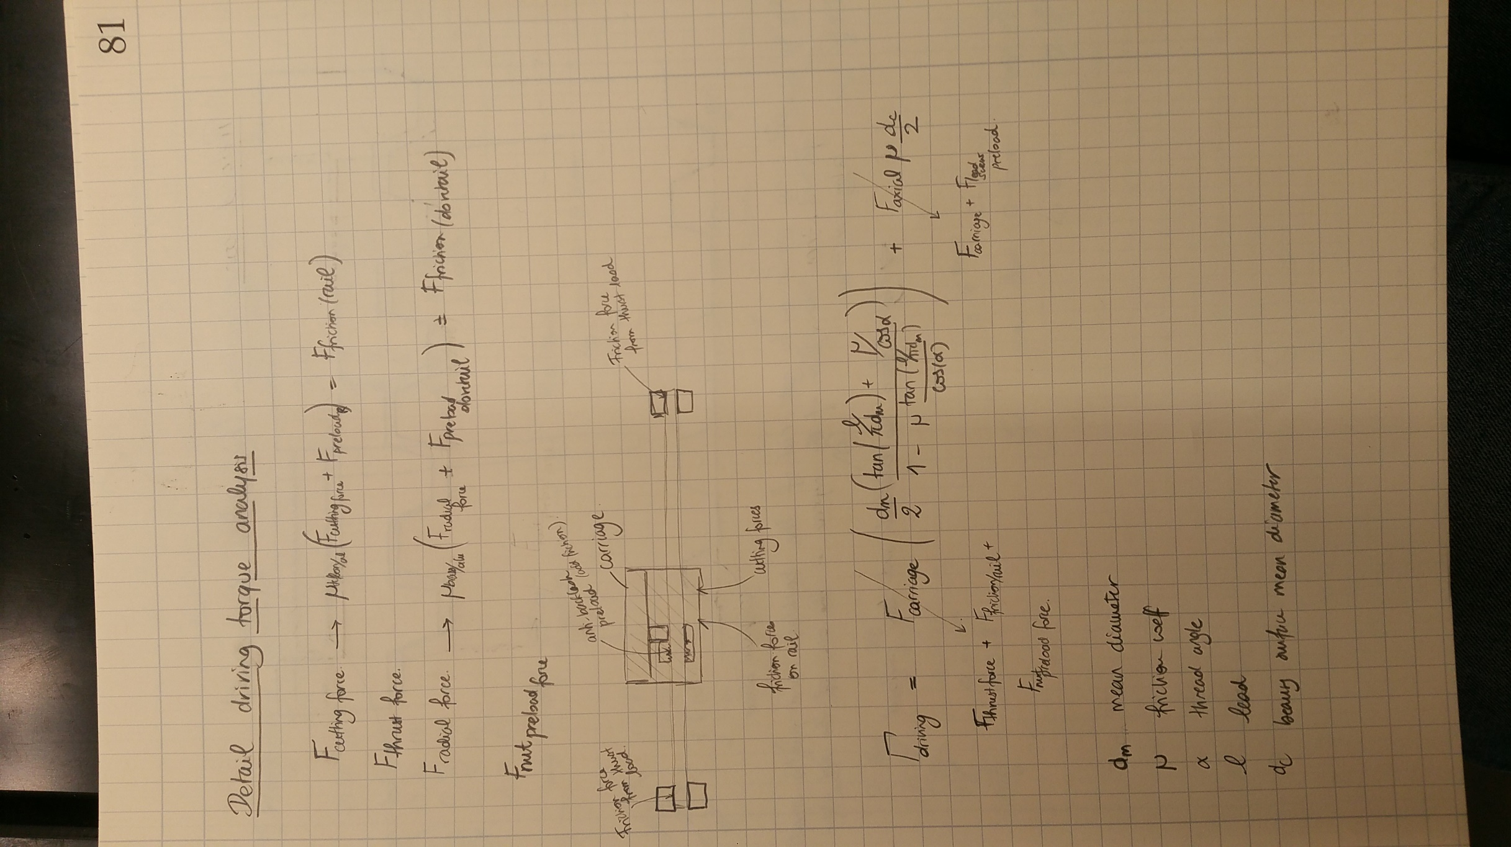

A-2 ANTIBACKLASH
COMPLIANT STRUCTURE ANALYSIS |  |  | SET SCREW PARAMETERS |  |  | MATERIAL CHARACTERISTICS
Compliant Structure Length | 18 | mm | Thread mean diameter | 12.2 | mm | Delrin Yield Stress | 72 | MPa
Moment Arm | 17 | mm | Engagement Length | 7.4 | mm | Delrin Young's Modulus | 3.15 | GPa
Beam length | 3.2 | mm
Beam thickness | 3.5 | mm | Fmax | 5.1E+03 | N
Beam width | 12 | mm
Second area moment | 43 | mm^4

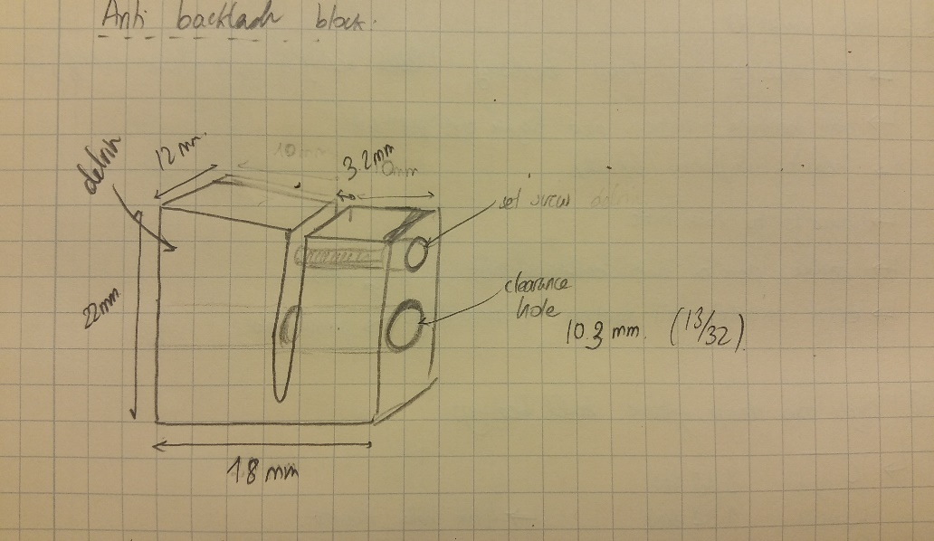
LOAD DISPLACEMENT ANALYSIS
Target mean displacement | 1.0 | mm
Necessary applied force | 290 | N

Bending Stiffness (pin-pin) | 48 | N/um

LOAD DISPLACEMENT ANALYSIS |  |  | STRIPPING THREAD CALCULATION
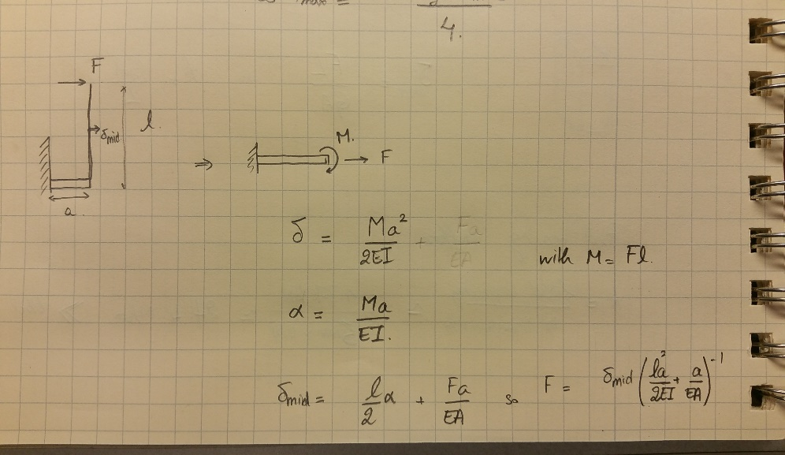
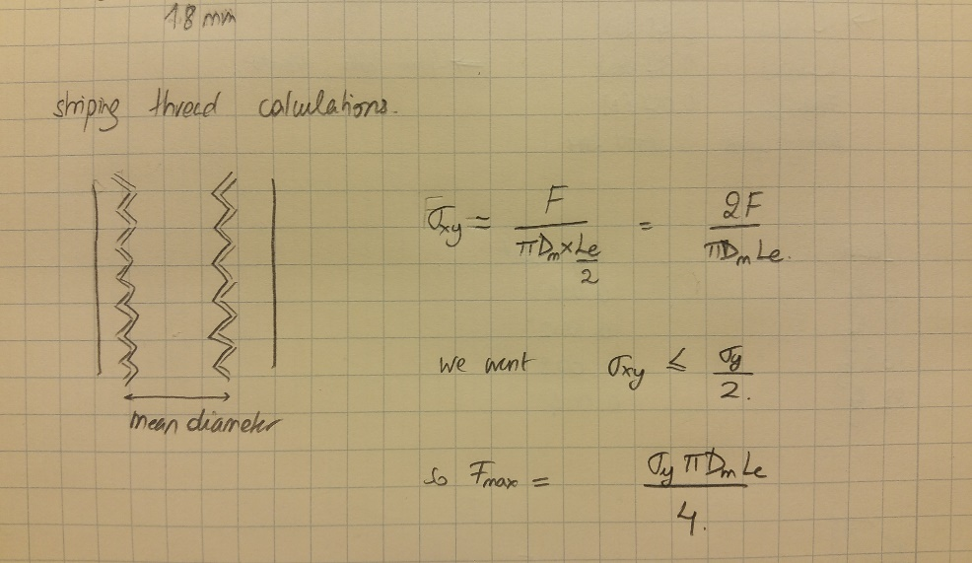

B- DRIVING TORQUE AND STIFFNESS
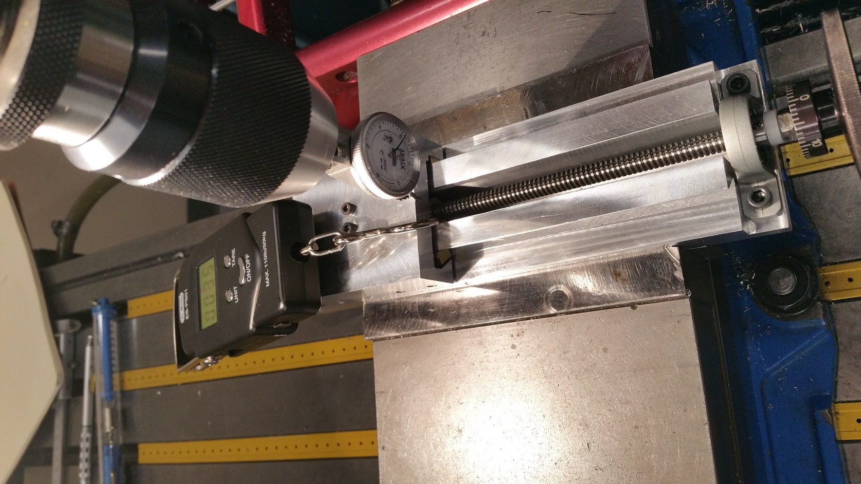
Digital Load Scale
DRIVING TORQUE (NO LOAD) |  |  | X - AXIS (AXIAL) STIFFNESS
Test # | Load reading [N] ± 0.1 | Torque [Nmm] | Load (kg) | Displacement (") ± 0.0002 | Displacement (um) ± 5
1 | 5.0 | 130 | 6 | 0.0008 | 20.3
2 | 4.8 | 125 | 11 | 0.0016 | 40.6
3 | 4.6 | 120 | 16.5 | 0.0024 | 61.0
4 | 5.2 | 135 | 21 | 0.0030 | 76.2
5 | 4.9 | 127
AXIAL STIFFNESS
20.3 | 6
40.6 | 11
61.0 | 16.5
76.2 | 21
6 | 5.1 | 133
Dial Indicator
 | Average Torque [Nmm] | 128
 | ± [Nmm] | 3

 | Handle Diameter [mm] | 52

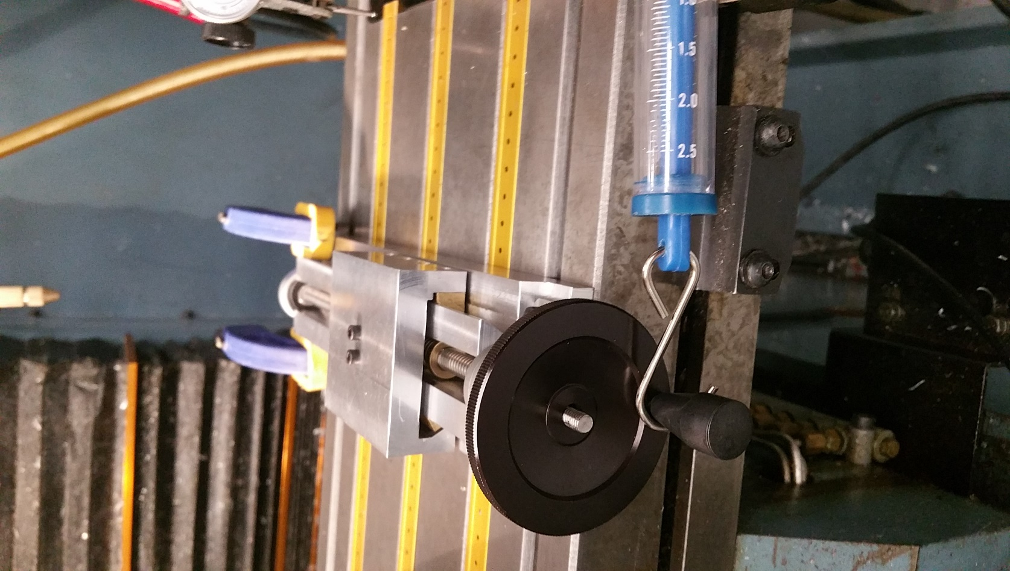

Handle
 |  |  |  | Stiffness [N/um] | 2.63
 |  |  |  | ± [N/um] | 0.10

Load Scale

C - ERROR MEASUREMENTS LastWeek
Z- AXIS Displacement (Vertical) |  |  | Z- AXIS Displacement (Vertical)
Travel [mm] | Carriage Error Motion ["] ± 0.0002 | Carriage Error Motion [um] ± 5 | Travel [mm] | Carriage Error Motion ["] ± 0.0002 | Carriage Error Motion [um] ± 5
70 | 0.0010 | 25.4 | 70 | 0.0005 | 12.7
140 | 0.0015 | 38.1 | 140 | 0.0010 | 25.4

 | The measured error motion is on the order of the flatness of my rails 30um (see week 7 spreadsheet), so the leadscrew didn't change that measurement. |  |  | The measured error motion is on the order of the flatness of my rails 30um (see week 7 spreadsheet), so the leadscrew didn't change that measurement.

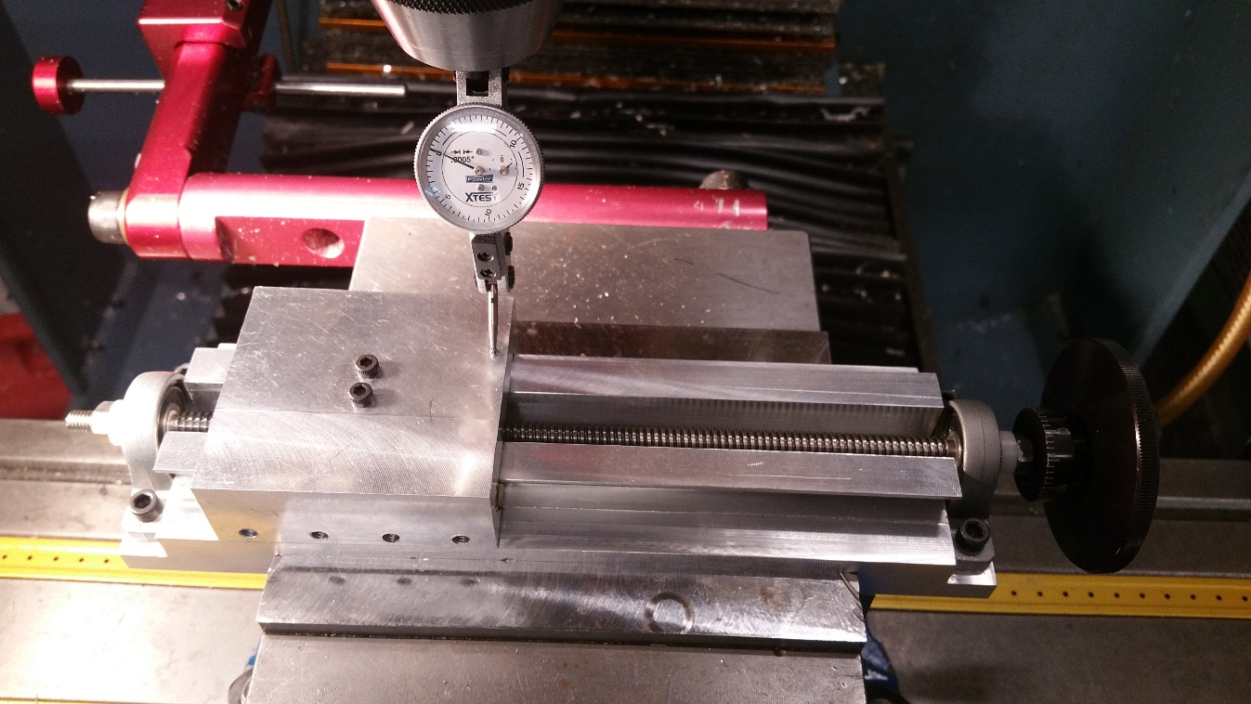
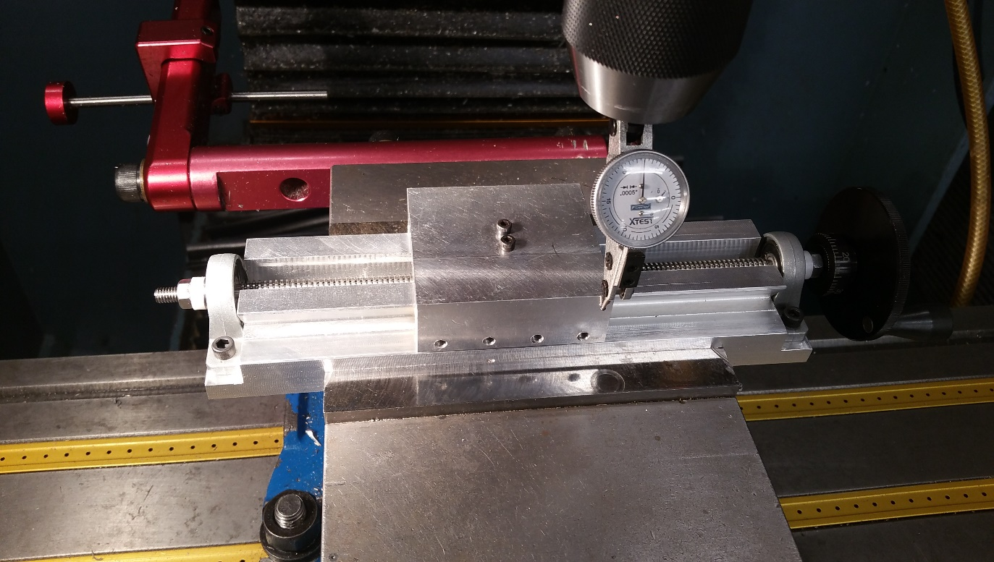

Dial Indicator
Dial Indicator

