FRDPARRC
 | LINEAR MOTION SLIDE
 |  | Written by Victor Prost 03/08/18

 |  | Linear Motion Slide for a T-base Lathe

 | Functional Requirements (see FRDPARRC picture below table):
 | - Travel Range of 100mm | - Repeatability of 10um
 | - Facing operations with a flatness of 100um
 | - Straighness of 0.1deg over a 20mm cut
 | - Small torque to drive the LMS (<500Nmm)
 | - Not fail under cutting loads

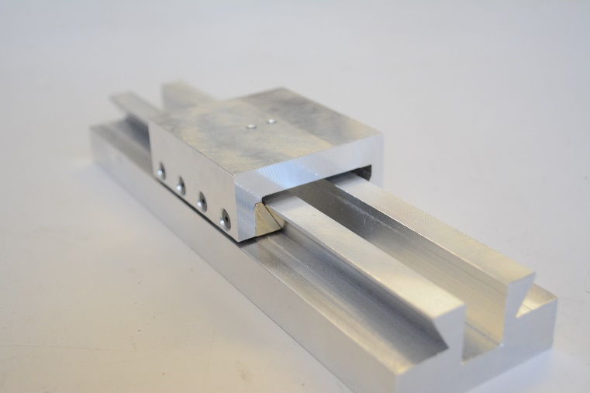
 |  | Predicted | Target | Measured | Notes
 |  | Concept 1 - DOVETAIL
Design Parameters |  | See Tab A Concept 1 Analysis for list of design parameters
Analysis | Lateral Stiffness Kx [N/um] (leadscrew) | 50 | >4 | NA | - |  |  |  | Lateral Stiffness Kx [N/um] (leadscrew) | >4
 | Lateral Stiffness Ky [N/um] | 423 | >4 | 24.3 | - |  |  |  | Lateral Stiffness Ky [N/um] | >4
 | Vertical Stiffness Kz [N/um] | 11 | >5 | 7.7 | - |  |  |  | Vertical Stiffness Kz [N/um] | >5

 | Yaw Stiffness (about Z) K_yaw [Nm/mrad] | 173 | >5 | 13.7 | - |  |  |  | Yaw Stiffness (about Z) K_yaw [Nm/mrad] | >5
 | Pitch Stiffness (about Y) K_pitch [Nm/mrad] | 7 | >1 | 5.9 | - |  |  |  | Pitch Stiffness (about Y) K_pitch [Nm/mrad] | >1
 | Roll Stiffness (about X) K_roll [Nm/mrad] | 7 | >1 | 4.7 | - |  |  |  | Roll Stiffness (about X) K_roll [Nm/mrad] | >1

 | X - Repeatability at Tool Tip [um] | 1.7 | <30 | - | Repeatability errors assumed to be related to 50% variation in cutting load forces and wear |  |  |  | X - Repeatability at Tool Tip [um] | <5
 | Y - Repeatability at Tool Tip [um] | 3.8 | <30 | - |  |  |  |  | Y - Repeatability at Tool Tip [um] | <5
 | Z - Repeatabilityat Tool Tip [um] | 6.8 | <30 | - |  |  |  |  | Z - Repeatabilityat Tool Tip [um] | <10

MANUFACTURED LMS
 | X - Accuracy at Tool Tip [um] (Geometric) | 56 | <90 | 50.4 | Accuracy is affected by geometry and load-induced errors (calculated for finishing pass) |  |  |  | X - Accuracy at Tool Tip [um] (Geometric) | <10
 | Y - Accuracy at Tool Tip [um] (Geometric) | 43 | <90 | 3.5 |  |  |  |  | Y - Accuracy at Tool Tip [um] (Geometric) | <10
 | Z - Accuracy at Tool Tip [um] (Geometric) | 43 | <90 | 3.5 |  |  |  |  | Z - Accuracy at Tool Tip [um] (Geometric) | <20
 | X - Accuracy at Tool Tip [um] (Load induced) | 1 | <10 | 3.8 |  |  |  |  | X - Accuracy at Tool Tip [um] (Load induced) | <10
 | Y - Accuracy at Tool Tip [um] (Load induced) | 3 | <10 | 4.9 |  |  |  |  | Y - Accuracy at Tool Tip [um] (Load induced) | <10
 | Z - Accuracy at Tool Tip [um] (Load induced) | 6 | <10 | 8.5 |  |  |  |  | Z - Accuracy at Tool Tip [um] (Load induced) | <20

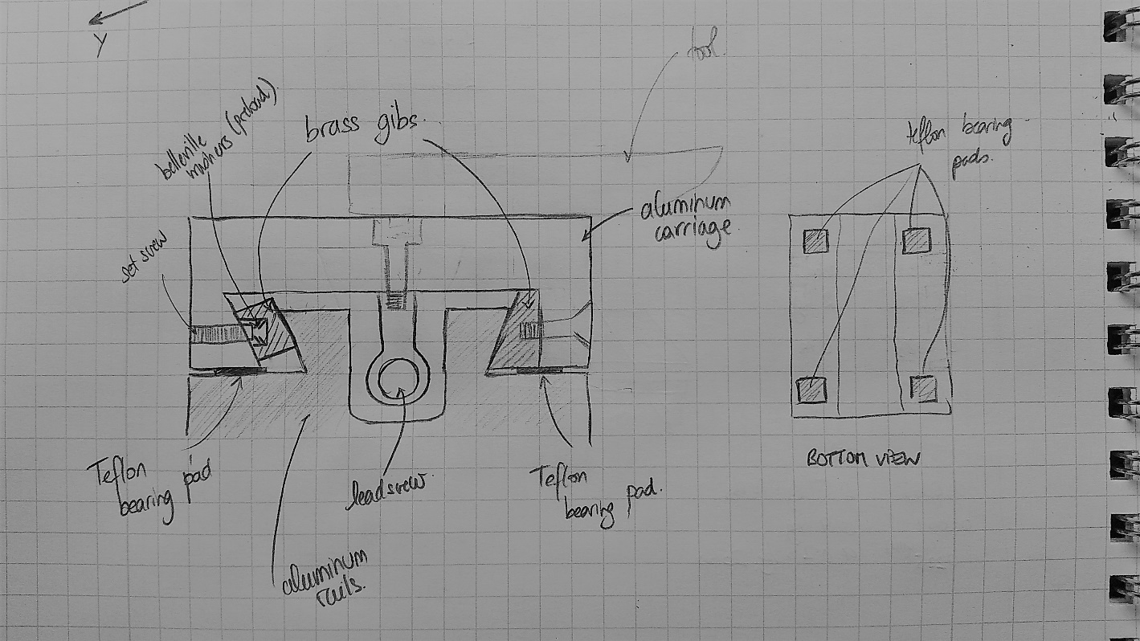
 | Range of Motion | 130.0 | >100 | 130 | - |  |  |  | Range of Motion | >100
References |  | -Fundamentals Topic 8 (Structures) -Fundamentals Topic 10 (Bearings) - Shigley Machine Design Textbook - Kalpakjian Menufacturing Engineering Textbook (Cutting Loads) - Mechanics of Materials Textbook (Wear equation)
Risks |  | -High Stiffness of the carriage might increase the friction for any flatness errors on the rail or carriage if preload mechanism doesn't work properly. - Preload overcome by high loads
CMs |  | -High tolerance on machining, switch to more compliant preload, gibs and carriage materials - Increase amount of preload
SUMMARY |  | This concept can bear very large loads and will lead to a very precise motion but the manufacturing of the rails and carriage will require very tight tolerancing

 |  | SCHEMATIC OF THE FRDPARRC IN THE NOTEBOOK

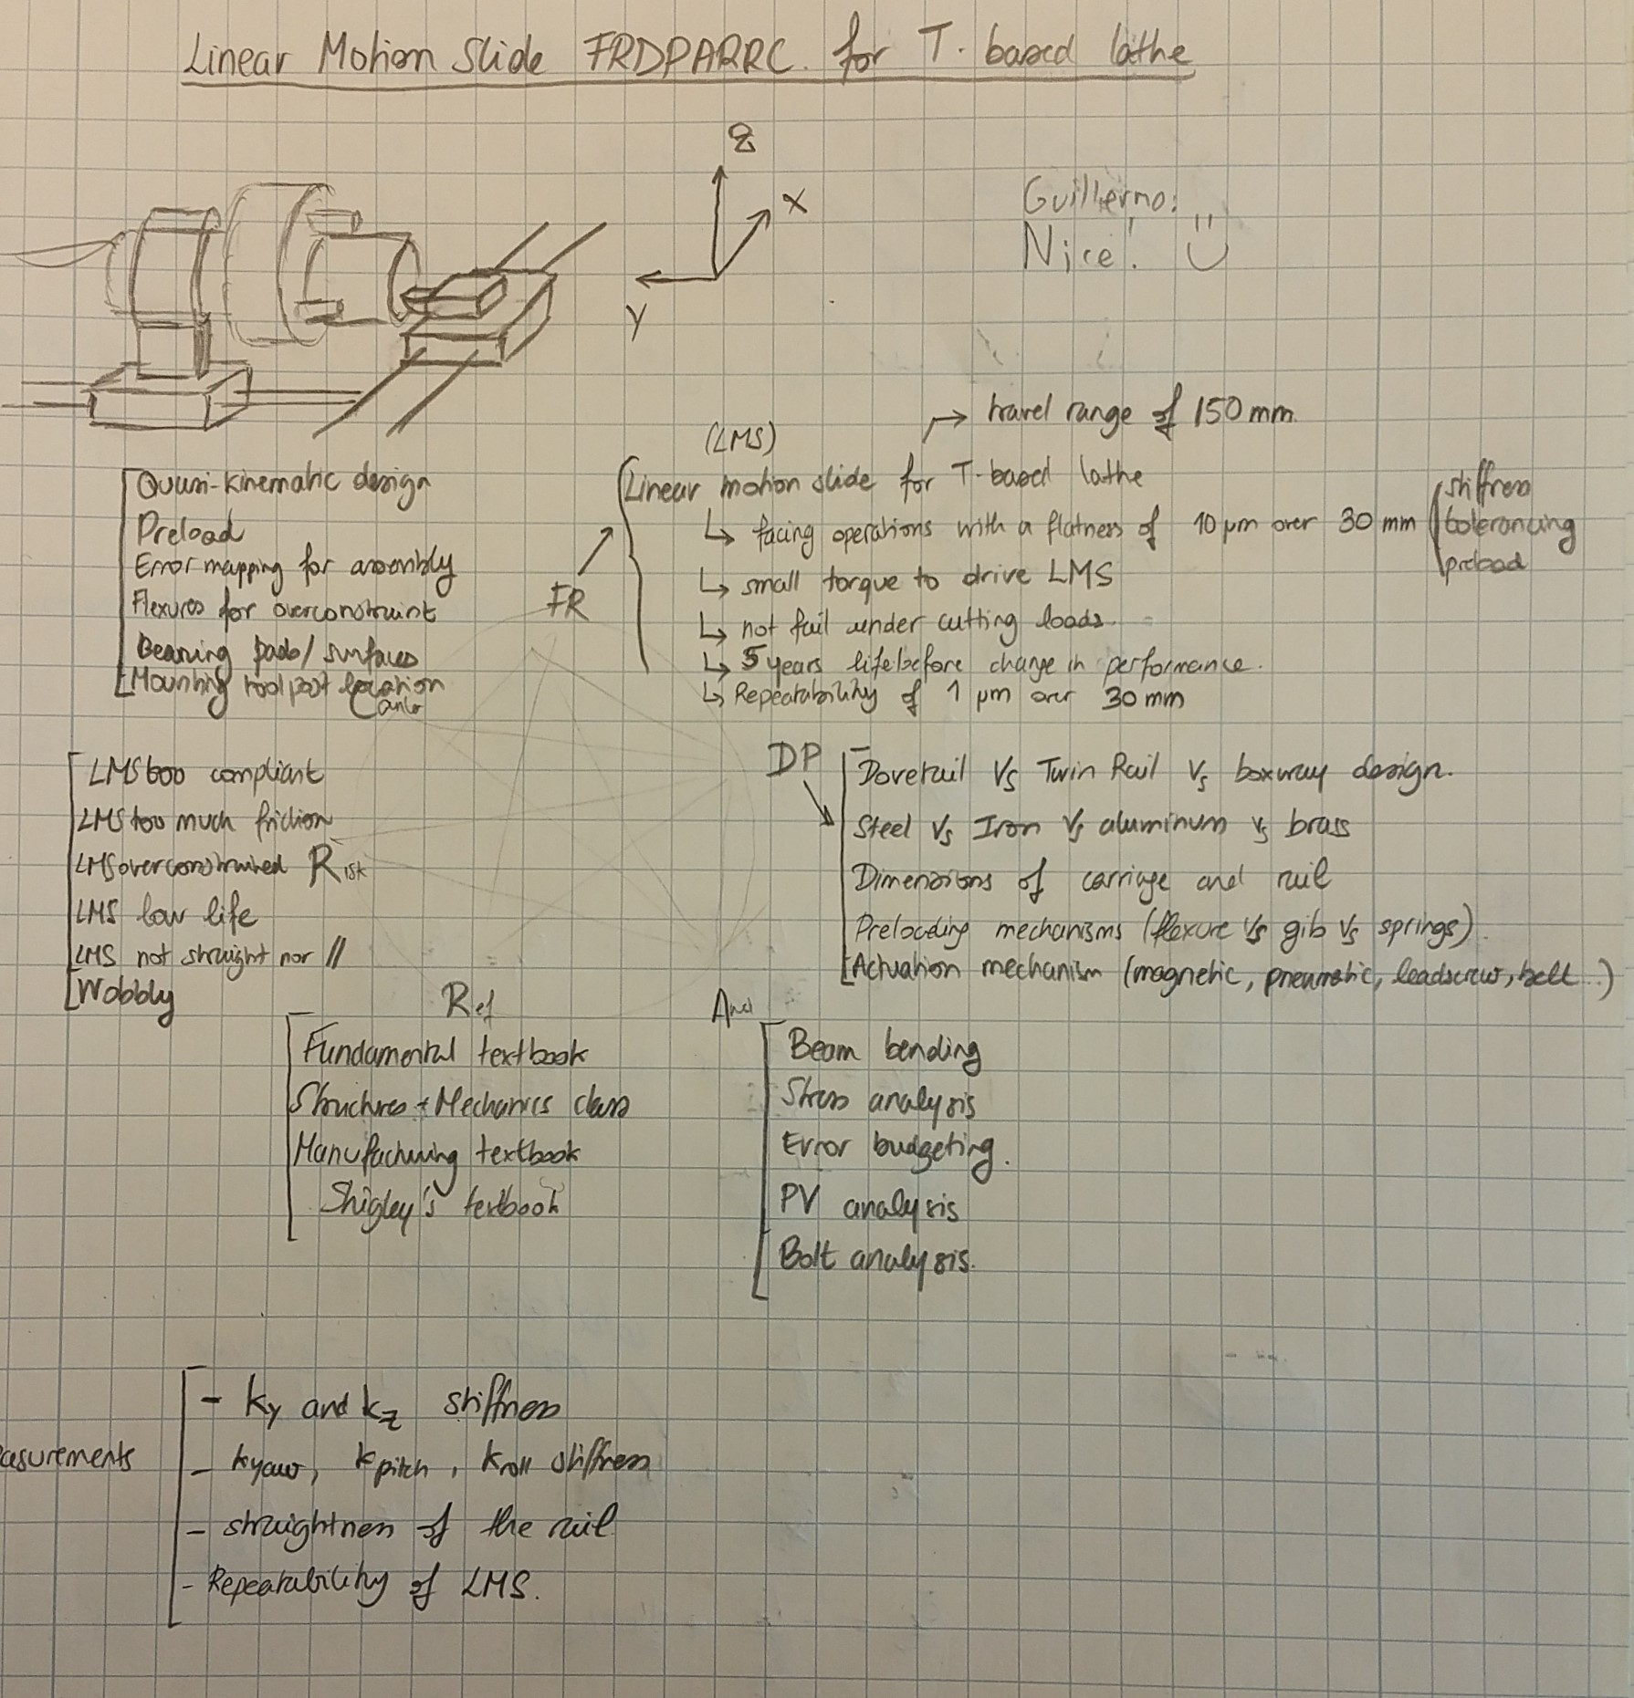

 |  |  |  |  |  | Desired Stiffness
 |  |  |  |  |  | Thrust Stiffness Kx (leadscrew) | 4 | N/um
 |  |  |  |  |  | Radial Stiffness Ky | 4 | N/um
 |  |  |  |  |  | Cut Stiffness Kz | 5 | N/um

 |  |  |  |  |  | Yaw Stiffness | 5 | Nm/mrad
 |  |  |  |  |  | Pitch Stiffness | 1 | Nm/mrad
 |  |  |  |  |  | Roll Stiffness | 1 | Nm/mrad

A- CONCEPT1 ANALYSIS
 | CONCEPT 1 - DOVETAIL LMS

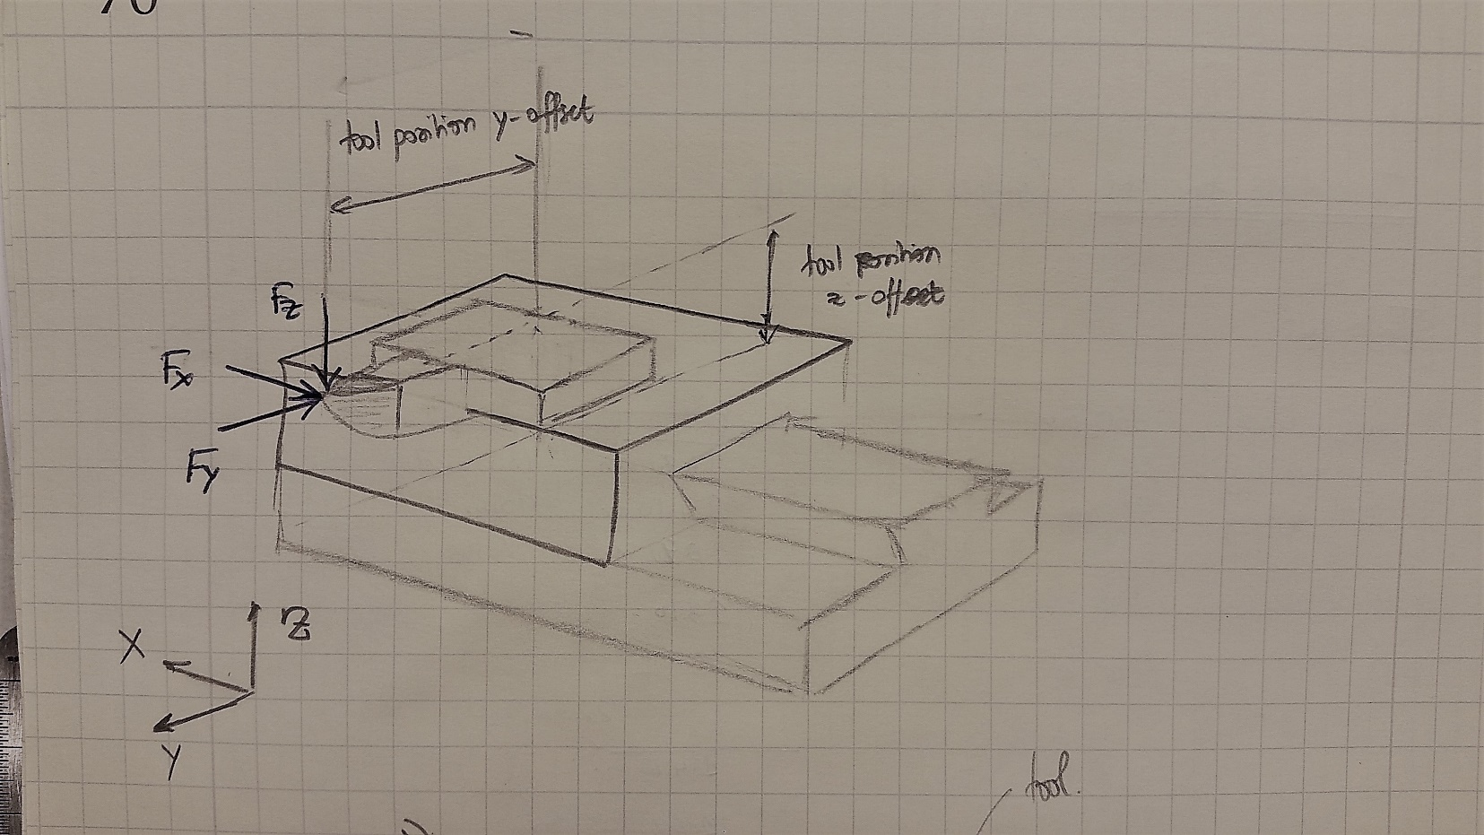
DESIGN PARAMETERS | CARRIAGE GEOMETRY |  |  | DOVETAIL PRELOAD SIDE GIB GEOMETRY |  |  | RAIL GEOMETRY |  |  | TOOL LOCATION
 | Carriage Width | 70 | mm | Gib Width | 10 | mm | Rail Height | 12.7 | mm | Tool Height (Z-direction) | 35.00 | mm
 | Carriage Platform Thickness | 15 | mm | Gib Length | 70 | mm | Rail Width Base | 5.0 | mm | Tool Offset (Y-direction) | 55.00 | mm
 | Carriage Dovetail Arms Height | 15 | mm | Gib Thickness | 6 | mm | Rail Total Width | 26 | mm
 | Carriage Dovetail Arms Width Base | 6 | mm |  |  |  | Rail Length | 200 | mm | TOOL LOADS
 | Carriage Length | 70 | mm | DOVETAIL TOOL SIDE GIB GEOMETRY |  |  | Dovetail angle | 60.0 | deg | MMR: | Aluminum
 | Dovetail angle | 60 | deg | Gib Width | 15 | mm |  |  |  | Cutting Force (Fz), [N] | 110 | N
 |  |  |  | Gib Length | 70 | mm | RAIL MATERIAL PROPERTIES (ALUMINUM) |  |  | Thrust Force (Fx), [N] | 83 | N
 | CARRIAGE MATERIAL PROPERTIES ALUMINUM |  |  | Gib Thickness | 6 | mm | Density | 2700 | kg/m3 | Radial Force (Fy), [N] | 83 | N
 | Density | 2700 | kg/m3 |  |  |  | Modulus of Elasticity | 69 | GPa | Roughing: | Aluminum
 | Modulus of Elasticity | 69 | GPa | GIB MATERIAL PROPERTIES (BRASS) |  |  | Shear Modulus | 27 | GPa | Cutting Force (Fz), [N] | 53 | N
 | Shear Modulus | 27 | GPa | Density | 8600 | kg/m3 | Yield Strength | 200 | MPa | Thrust Force (Fx), [N] | 41 | N
 | Yield Strength | 200 | MPa | Modulus of Elasticity | 110 | GPa | Poisson's Ratio | 0.29 | - | Radial Force (Fy), [N] | 41 | N
 | Poisson's Ratio | 0.29 |  | Shear Modulus | 40 | GPa |  |  |  | Finishing: | Aluminum
 |  |  |  | Yield Strength | 290 | MPa | LEADSCREW GEOMETRY |  |  | Cutting Force (Fz), [N] | 9 | N
 | TEFLON BEARING PADS |  |  | Poisson's Ratio | 0.375 | - | Leadscrew Length | 200 | mm | Thrust Force (Fx), [N] | 7 | N
 | Bearing Pad Diameter | 6 | mm | Friction Coeff (with aluminum) | 0.4 | - | Leadscrew Diameter | 8.00 | mm | Radial Force (Fy), [N] | 7 | N
 | Bearing Pad Area | 32 | mm^2
 | Bearing Pad Thickness | 2.38 | mm |  |  |  | LEADSCREW MATERIAL PROPERTIES (STEEL)
 |  |  |  | PRELOAD BELLEVILLE WASHERS |  |  | Density | 7500 | kg/m3
 | BEARING PADS MATERIAL PROPERTIES (TEFLON) |  |  | Number of springs along the gib | 3 | - | Modulus of Elasticity | 200 | GPa
 | Density | 2200 | kg/m3 | Belleville washer stiffness | 6.32 | N/mm | Shear Modulus | 78 | GPa
 | Modulus of Elasticity | 0.2 | GPa | Preload amount | 5.10 | N | Yield Strength | 500 | MPa
 | Yield Strength | 30 | MPa |  |  |  | Poisson's Ratio | 0.29 | -
 | Poisson's Ratio | 0.29 | -
 | Friction Coeff (with aluminum) | 0.2 | -

LOAD ANALYSIS | STIFFNESS ANALYSIS |  |  | CARRIAGE DEFLECTION UNDER ROUGHING CUTTING LOADS |  |  | TOOL DEFLECTION (HTM) FROM CUT LOADS
 | Lateral Stiffness Ky (when preloaded) | 423 | N/um | Deflection in X (leadscrew stiffness) | -0.14 | um | Deflection in X - From Fx | 1.28 | um
 | Lateral Stiffness Ky (preload) | 18.3 | N/mm | Deflection in Y | -0.02 | um | Deflection in Y - From Fy | -1.31 | um
 | Vertical Stiffness Kz | 11 | N/um | Delfection in Z | -0.85 | um | Deflection in Y - From Fz | 2.61 | um
 | Leadscrew Axial Stiffness Kx | 50 | N/um |  |  |  | Delfection in Z - From Fz | -4.95 | um
 |  |  |  | Yaw angular deflection (about Z) - From Fx | -2.2 | micro-rad | Delfection in Z - From Fy | 2.03 | um
 | Yaw Stiffness (about Z) K_yaw | 173 | Nm/mrad | Pitch angular deflection (about Y) - From Fx | 36.9 | micro-rad
 | Pitch Stiffness (about Y) K_pitch | 7 | Nm/mrad | Roll angular deflection (about X) - From Fz | -74.6 | micro-rad | Total Deflection in X | 1.28 | um
 | Roll Stiffness (about X) K_roll | 7 | Nm/mrad | Roll angular deflection (about X) - From Fy | 36.9 | micro-rad | Total Deflection in Y | 1.30 | um
 |  |  |  |  |  |  | Total Deflection in Z | -2.92 | um

 |  |  |  |  |  |  | Total Expected Deflection in X | 1.28 | um
 |  |  |  |  |  |  | Total Expected Deflection in Y | 3.42 | um
 |  |  |  |  |  |  | Total Expected Deflection in Z | 6.17 | um

ERROR ANALYSIS MANUFAC | MANUFACTURING TOLERANCES |  |  | RAIL GEOMETRIC ERRORS |  |  | TOOL TIP ERRORS (HTM)
 | Rail Flatness + Surface Finish | 0.03 | mm | Deflection in X | - | um | Total Expected Deflection in X | 56.3 | um | THESE RANDOM GEOMETRIC ERRORS ARE WORST CASE SCENARIOS
 |  |  |  | Deflection in Y | 25.4 | um | Total Expected Deflection in Y | 43.4 | um
 |  |  |  | Delfection in Z | 25.4 | um | Total Expected Delfection in Z | 43.4 | um

 |  |  |  | Yaw due to Flatness θz | 0.73 | mrad
 |  |  |  | Pitch due to Flatness, θy | 0.73 | mrad
 |  |  |  | Roll due to Flatness θx | 0.73 | mrad

ERROR ANALYSIS CLEARANCES
 | GEOMETRIC ERROR (WOBBLING/RATTLING) |  |  | CARRIAGE ERRORS WOBBLING/RATTLING) |  |  | TOOL TIP ERRORS (HTM)
 | Dovetail Rail/Carriage Gap | 10 | um | Deflection in X (leadscrew backlash) | - | um | Deflection in X | -7.1 | um | THESE GEOMETRIC ERRORS ONLY HAPPEN IF THE SYSTEM IS NOT PROPERLY PRELOADED
 |  |  |  | Deflection in Y | 20 | um | Deflection in Y | 14.7 | um
 |  |  |  | Delfection in Z | 17 | um | Delfection in Z | 25.7 | um

 |  |  |  | Yaw angular deflection (about Z) | 0.29 | mrad
 |  |  |  | Pitch angular deflection (about Y) | 0.25 | mrad
 |  |  |  | Roll angular deflection (about X) | 0.15 | mrad

 | STIFFNESS CALCULATIONS |  |  |  |  |  |  | ERROR GAIN TO TOOL TIP (HTM) |  |  |  |  | GEOMETRIC ERRORS ANALYSIS
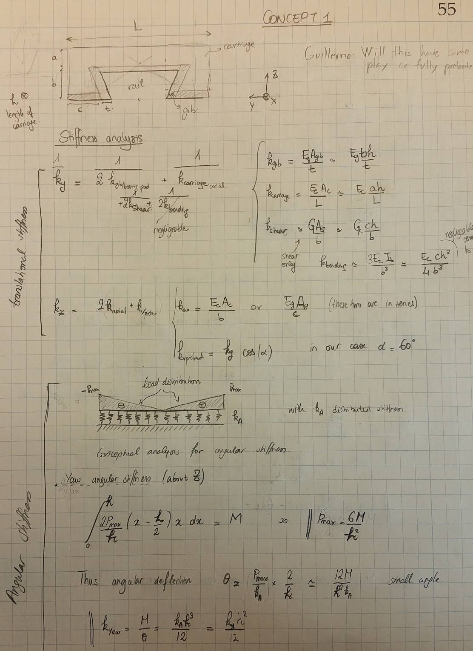
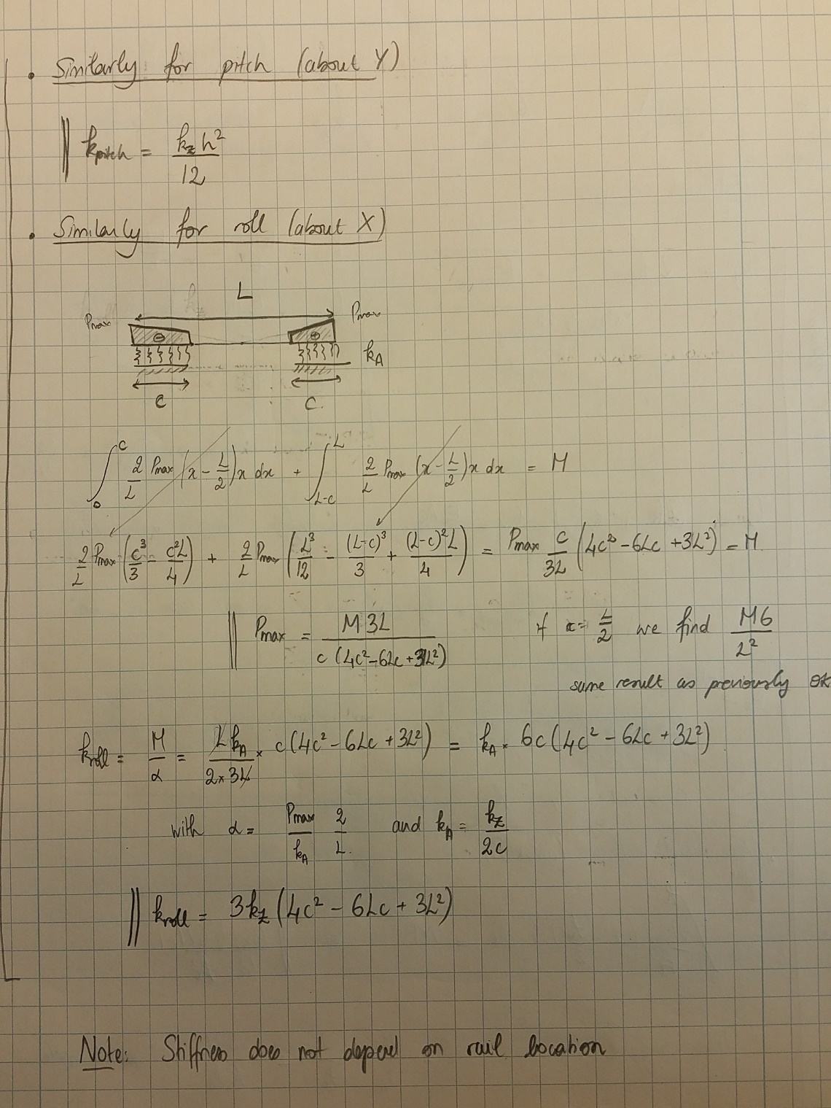
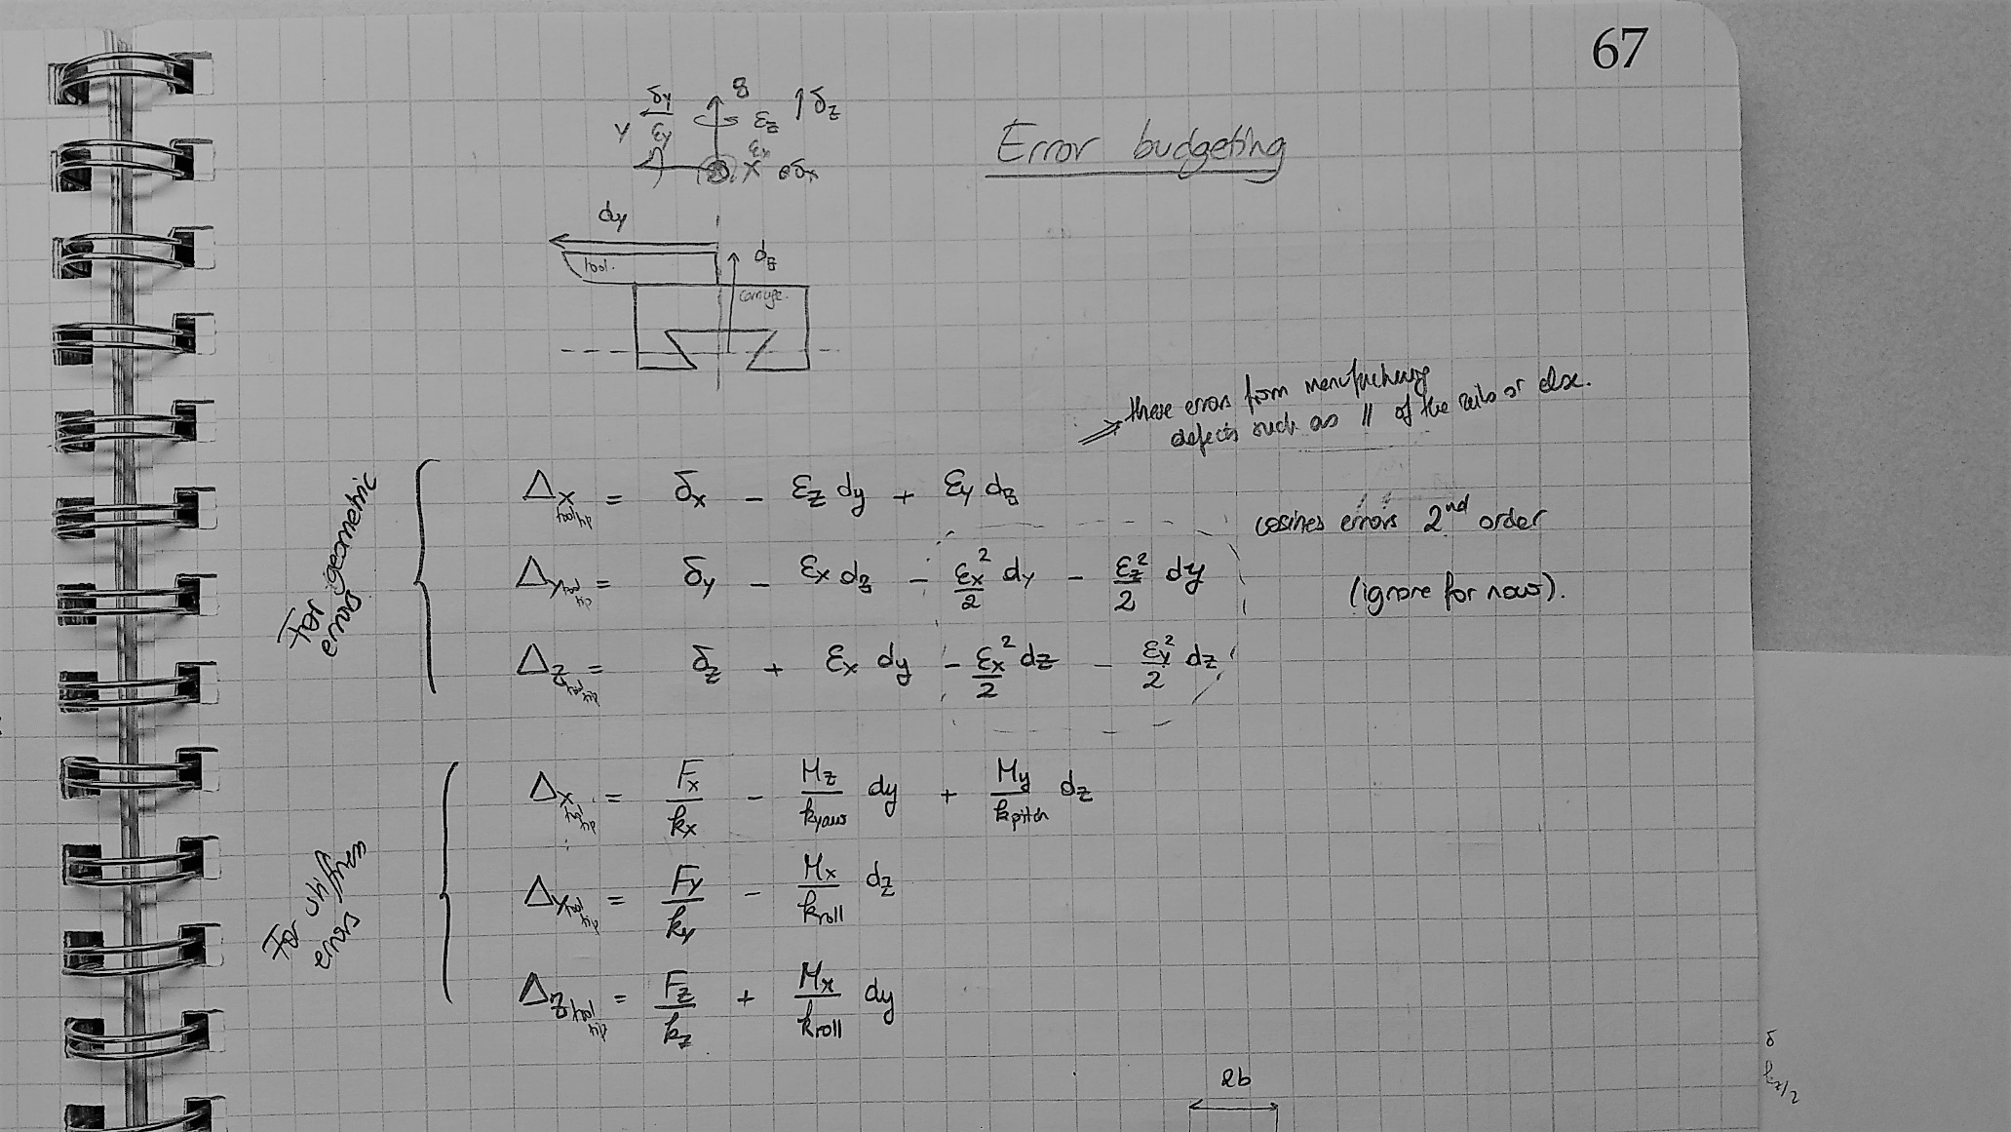
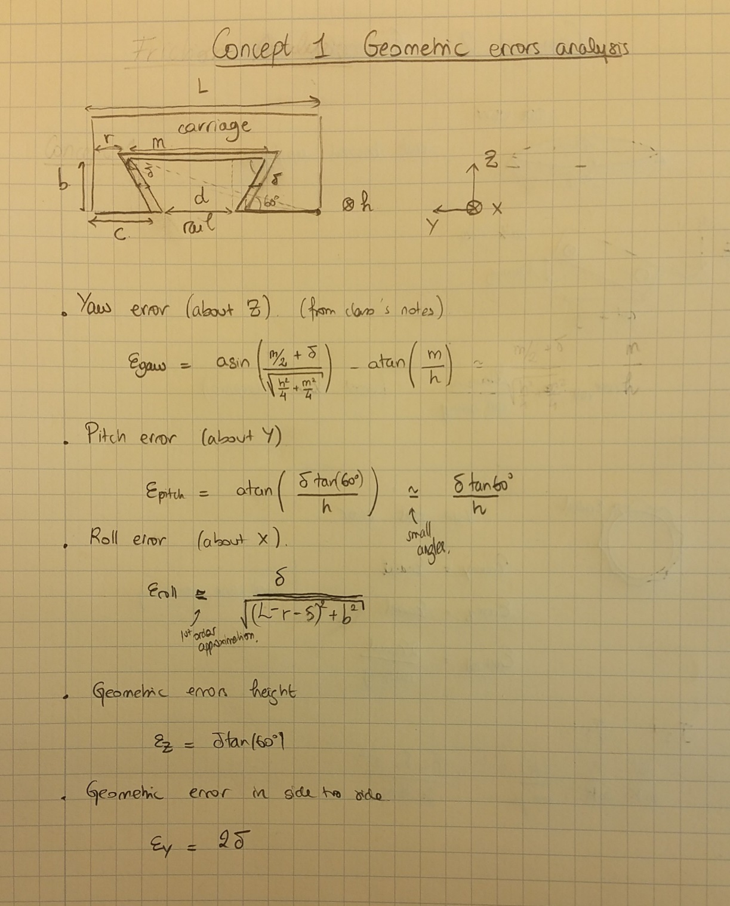

B-WEAR-REPEATABILITY
CONCEPT 1 - DOVETAIL
Gib material | Delrin | [-]
Rail material | Aluminum | [-]
Max Vertical Load | 200 | N

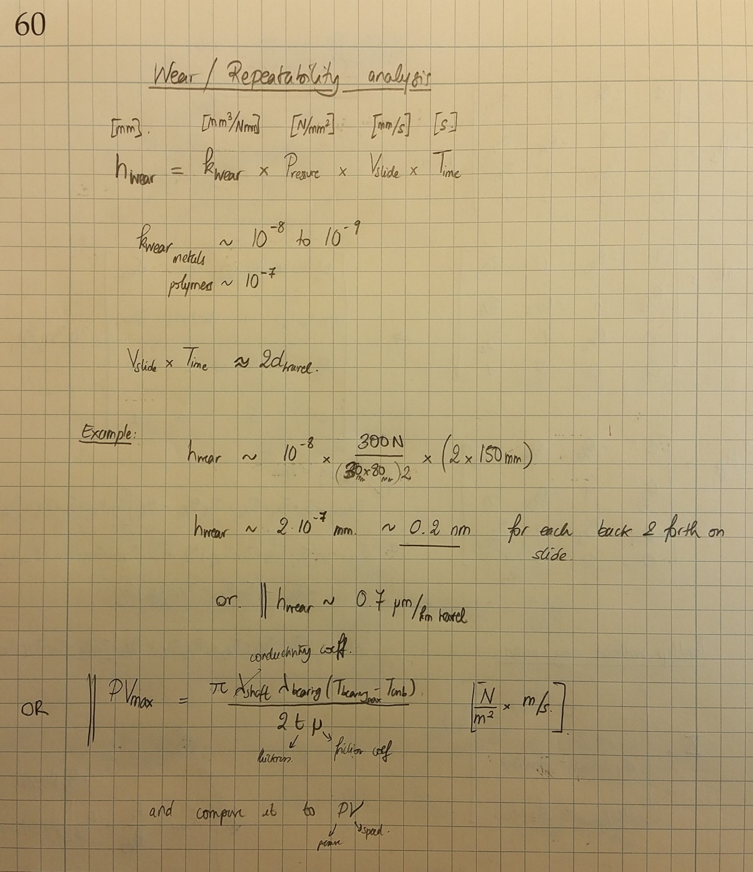
WEAR EQUATION
Bearing Contact area | 804.39812307 | mm^2
Pressure on bearing surfaces | 0.249 | MPa
Linear slide average speed | 15 | mm/s
Time during sliding | 10 | s
Distance traveled | 150 | mm
Specific wear rate | 1.0E-08 | mm^3/(Nmm)

Worn dimension | 0.37 | nm
Worn dimension per km of travel | 2.49 | um/km

GEOMETRIC ERROR (WOBBLING/RATTLING) FROM WEAR
Dovetail Rail/Carriage Gap | 1.4 | um | BASED ON THE ANALYSIS ON TAB A

CARRIAGE GEOMETRIC ERRORS FROM WEAR - 1km travel
Deflection in X (leadscrew backlash) | - | um
Deflection in Y | 3 | um
Delfection in Z | 2 | um

Yaw angular deflection (about Z) | 0.04 | mrad
Pitch angular deflection (about Y) | 0.04 | mrad
Roll angular deflection (about X) | 0.02 | mrad

TOOL TIP ERRORS (HTM) WEAR - 1km travel |  |  |  | Conductivity
Deflection in X | -1.01 | um |  | ceramic | 1.4
Deflection in Y | 2.11 | um |  | cast iron | 58
Delfection in Z | 3.69 | um |  | steel | 46
 |  |  |  | aluminum | 204
PV VALUE CALCULATION |  |  |  | 303 ss | 16
Aluminum conductivity coeff | 204 | W/mK |  | plastic | 0.24
Teflon conductivity coeff | 0.24 | W/mK
Max bearing temperature | 60 | C
Ambient temperature | 20 | C
Bearing thickness | 2 | mm
Friction coefficient | 0.2 | [-]

PVmax | 6.46E+03 | MPa*mm/s
PV | 3.73 | MPa*mm/s

C- LINEAR STIFFNESS EXPERIMENTS
Z-AXIS LOAD- DISPLACEMENT // STIFFNESS MEASUREMENT |  |  |  | Y-AXIS LOAD- DISPLACEMENT // STIFFNESS MEASUREMENT
Load (kg) | Displacement (") ± 0.0002 | Displacement (um) ± 0.00002 |  | Load (kg) | Displacement (") ± 0.0002 | Displacement (um) ± 0.00002
9.5 | 0.0005 | 12.7 | 7.3 | 13.8 | 0.0002 | 5.1 | 26.6
21.1 | 0.001 | 25.4 | 8.1 | 28.5 | 0.0005 | 12.7 | 22.0

 | Stiffness [N/um] | 7.7 |  |  | Stiffness [N/um] | 24.3
 | ± [N/um] | 0.4 |  |  | ± [N/um] | 0.3
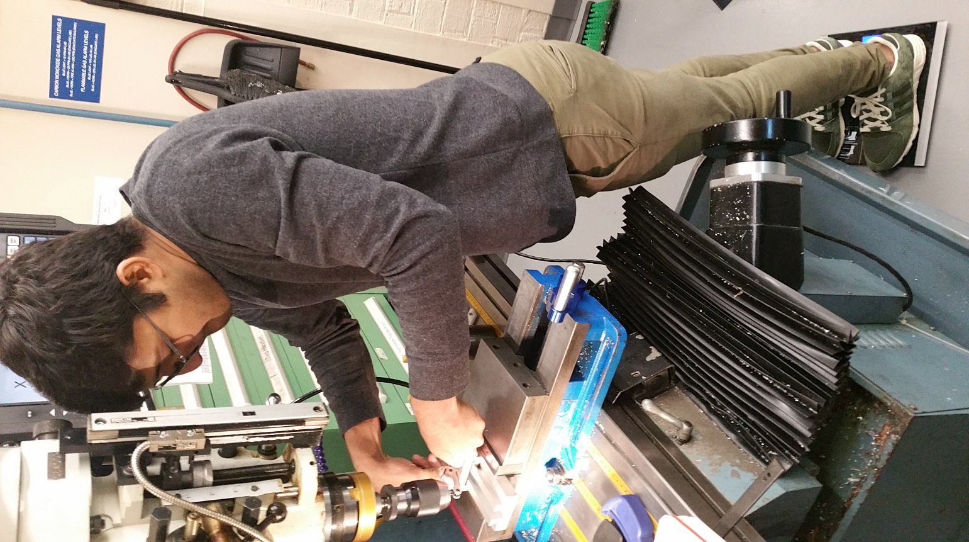
Dial Indicator
Digital Scale
Experimenter
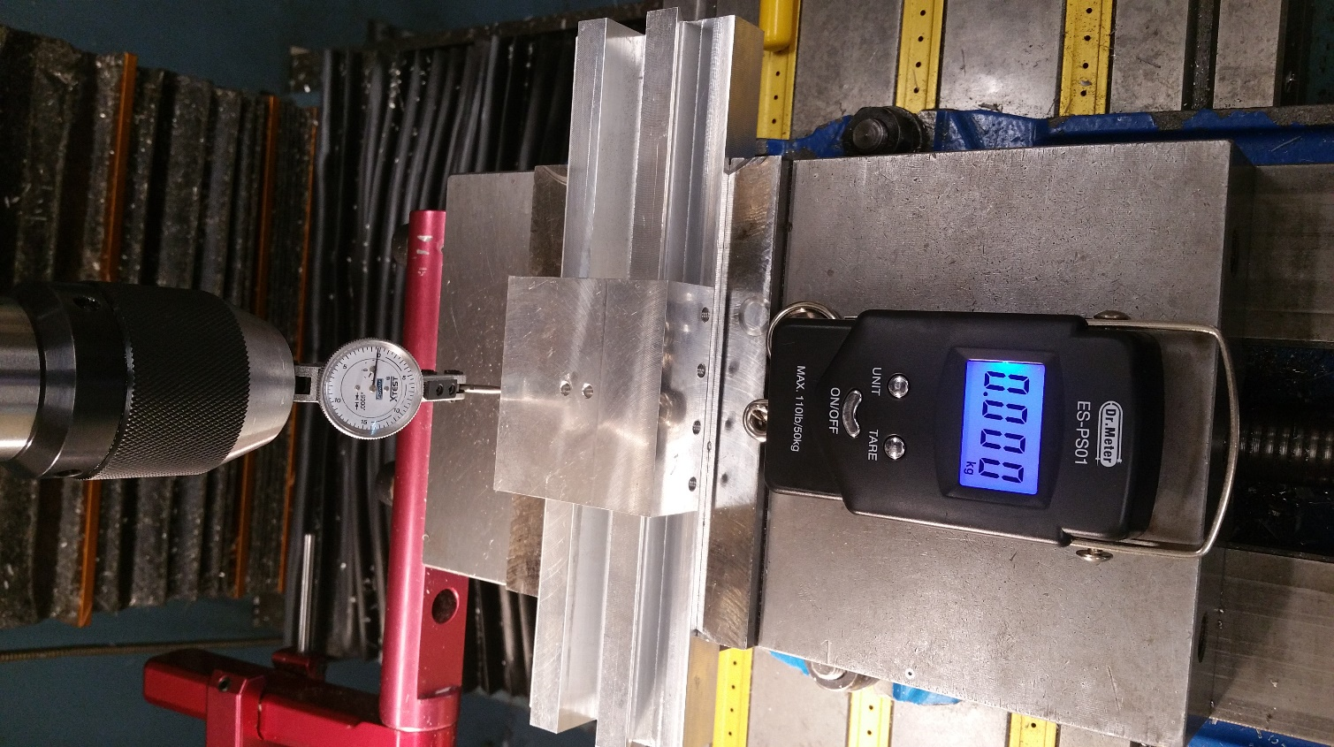

Dial Indicator

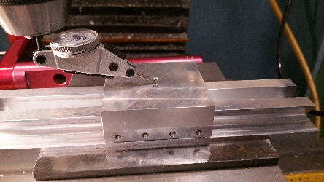

Digital Scale

D-ANGULAR STIFFNESS EXPERIMENTS
YAW -AXIS LOAD- DISPLACEMENT // STIFFNESS MEASUREMENT |  |  |  | ROLL -AXIS LOAD- DISPLACEMENT // STIFFNESS MEASUREMENT |  |  |  | PITCH -AXIS LOAD- DISPLACEMENT // STIFFNESS MEASUREMENT
Load (kg) | Moment (Nm) | Displacement (mm) ± 0.5 | Angular deflec (mrad) ± 0.03 | Load (kg) | Moment (Nm) | Displacement (mm) ± 0.5 | Angular deflec (mrad) ± 0.03 | Load (kg) | Moment (Nm) | Displacement (mm) ± 0.5 | Angular deflec (mrad) ± 0.03
0 | 0 | 0 | 0.0 | 0 | 0 | 0 | 0.0 | 0 | 0 | 0 | 0.0
1 | 2.9 | 5.5 | 0.3 | 1 | 2.9 | 12 | 0.7 | 1 | 2.9 | 15 | 0.9
2 | 5.9 | 10.0 | 0.6 | 2 | 5.9 | 22 | 1.3 | 2 | 5.9 | 30 | 1.8
3 | 8.8 | 13.0 | 0.8 | 3 | 8.8 | 29 | 1.7 | 3 | 8.8 | 40 | 2.4
4 | 11.8 | 15.5 | 0.9 | 4 | 11.8 | 36 | 2.1 | 4 | 11.8 | 45 | 2.7
5 | 14.7 | 18 | 1.1 | 5 | 14.7 | 42 | 2.5 | 5 | 14.7 | 50 | 3.0

 | Moment Arm (m) | 0.3 |  |  | Moment Arm (m) | 0.07 |  |  | Moment Arm (m) | 0.07
 | Laser-Wall Distance (m) | 16.8 |  |  | Laser-Wall Distance (m) | 16.8 |  |  | Laser-Wall Distance (m) | 16.8

 | Stiffness [N/mrad] | 13.7 |  |  | Stiffness [N/mrad] | 5.9 |  |  | Stiffness [N/mrad] | 4.7
YAW STIFFNESS
ROLL STIFFNESS
PITCH STIFFNESS

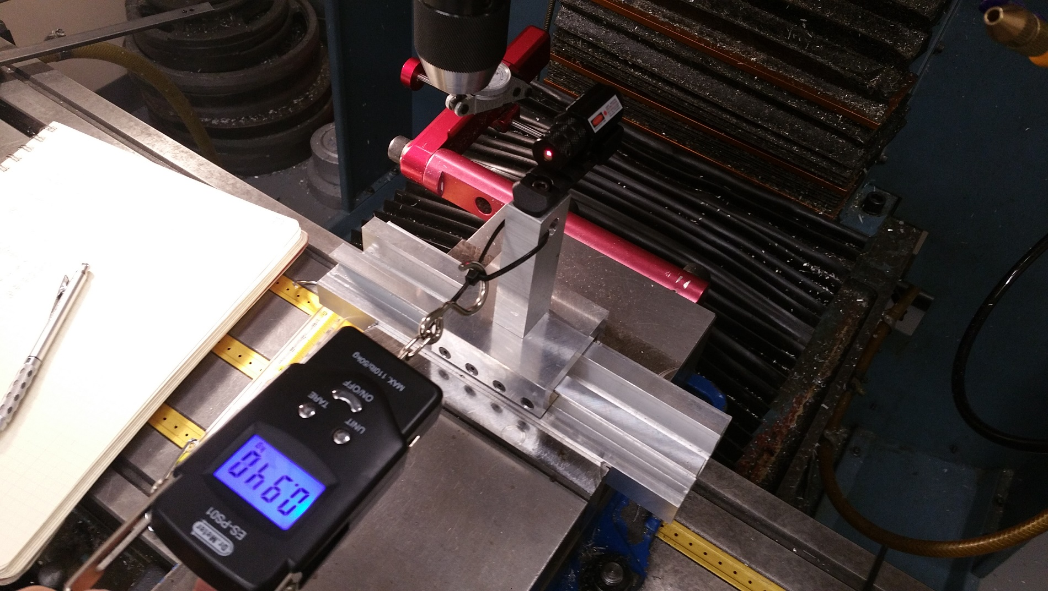
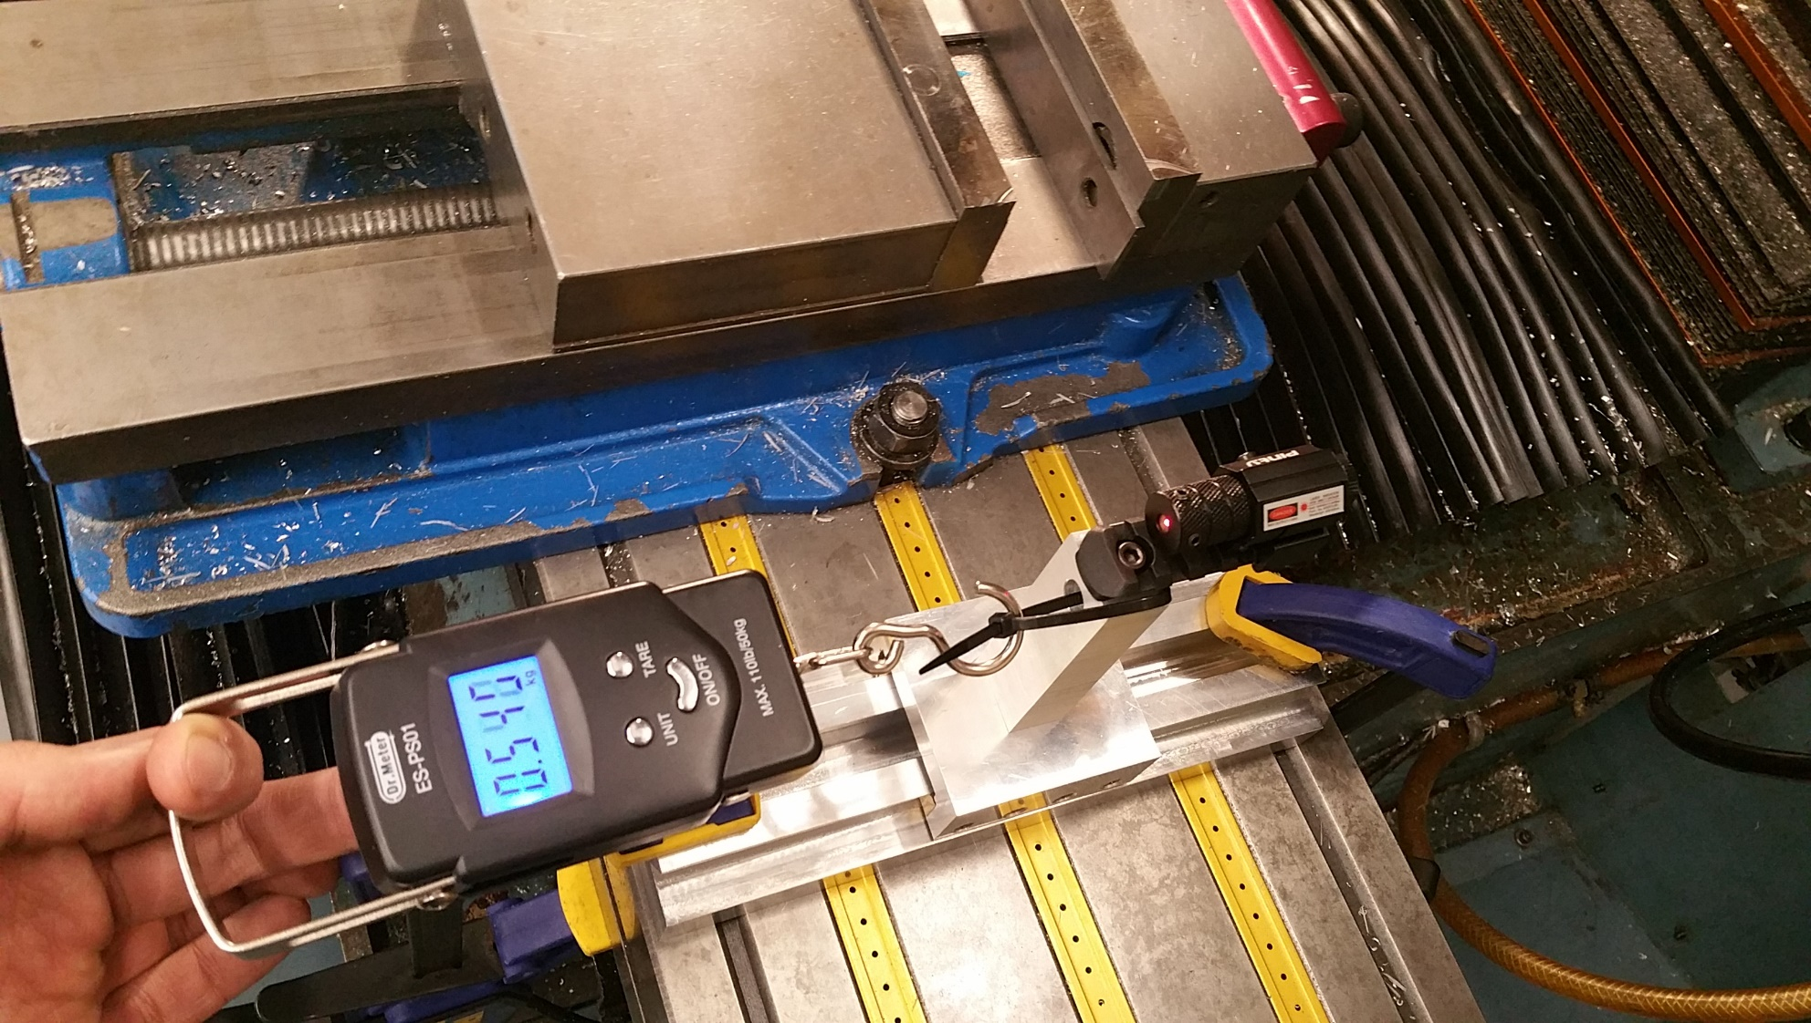

Digital Scale
Laser

Laser

Digital Scale

Digital Scale

Laser

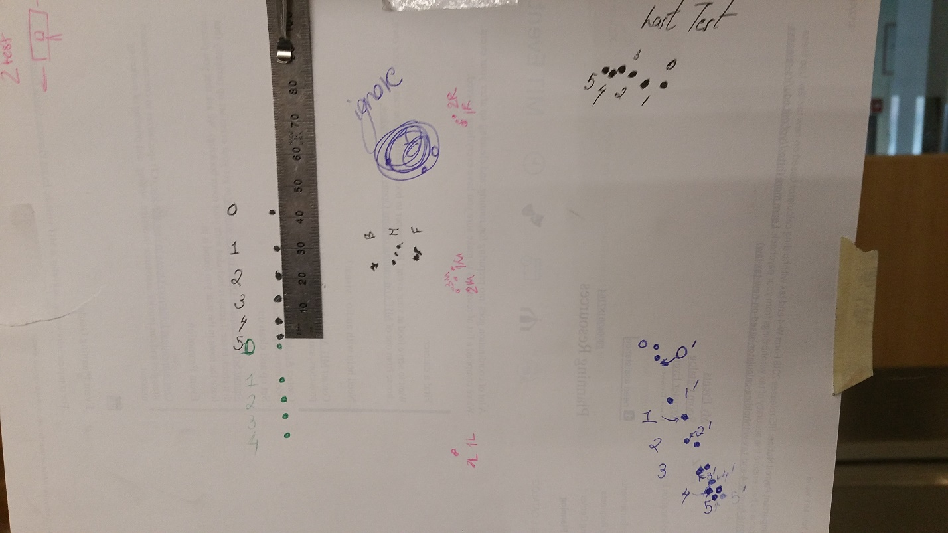
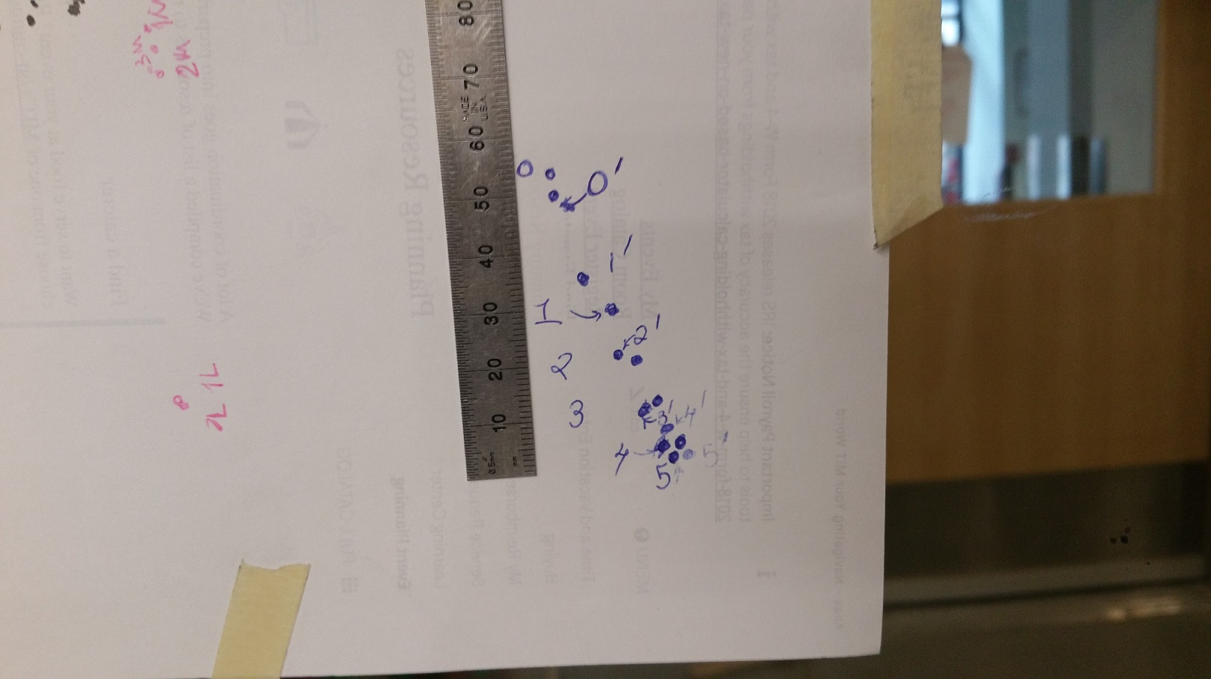

E-ACCURACY
YAW - ACCURACY |  | PITCH - ACCURACY |  |  | ROLL - ACCURACY
Laser Pointer Scatter [mm] | 8 | Laser Pointer Scatter [mm] | 15 | For Yaw and Pitch, the carriage was moved front and back | Laser Pointer Scatter [mm] | 2.5 | For Roll, the carriage was moved side to side
Distance from measuring sheet [m] | 16.8 | Distance from measuring sheet [m] | 16.8 |  | Distance from measuring sheet [m] | 16.8
Yaw Geometric Error [mrad] | 0.5 | Pitch Geometric Error [mrad] | 0.9 |  | Roll Geometric Error [mrad] | 0.1

X-axis Tool Tip Associated Error [um] | 27.5 | X-axis Tool Tip Associated Error [um] | 31.5 |  | Y and Z axis Tool Tip Associated Error [um] | 3.5

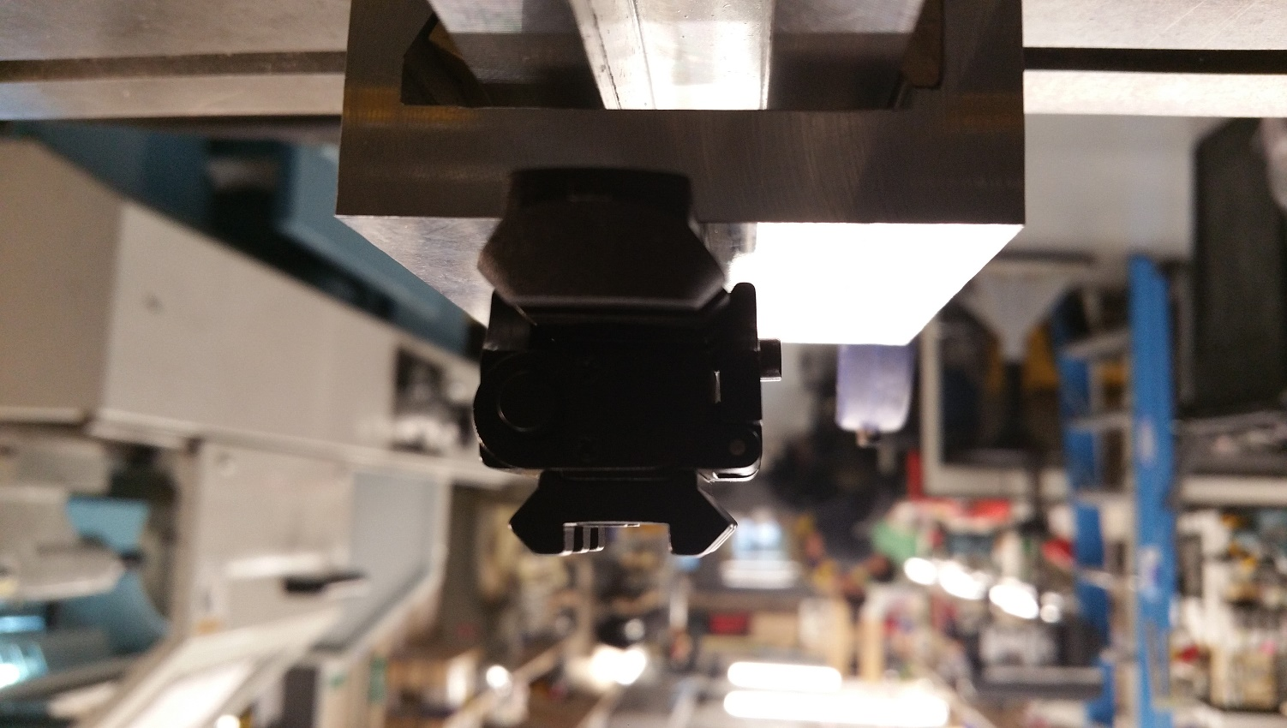
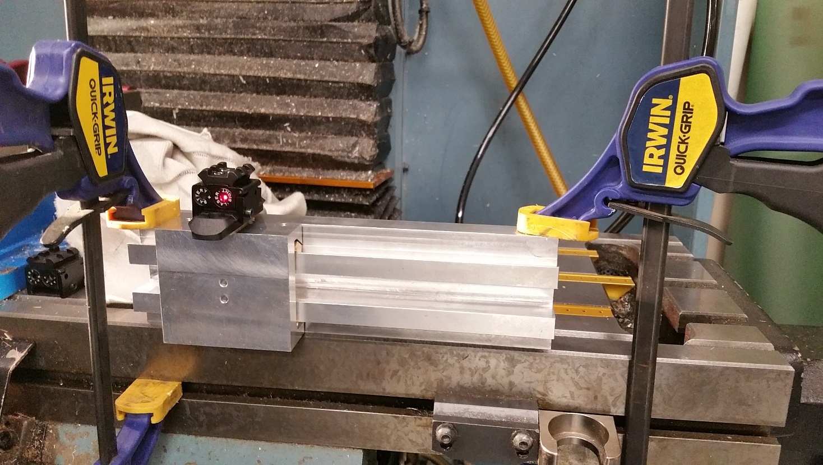

Measurement Sheet
Laser

Laser
Laser

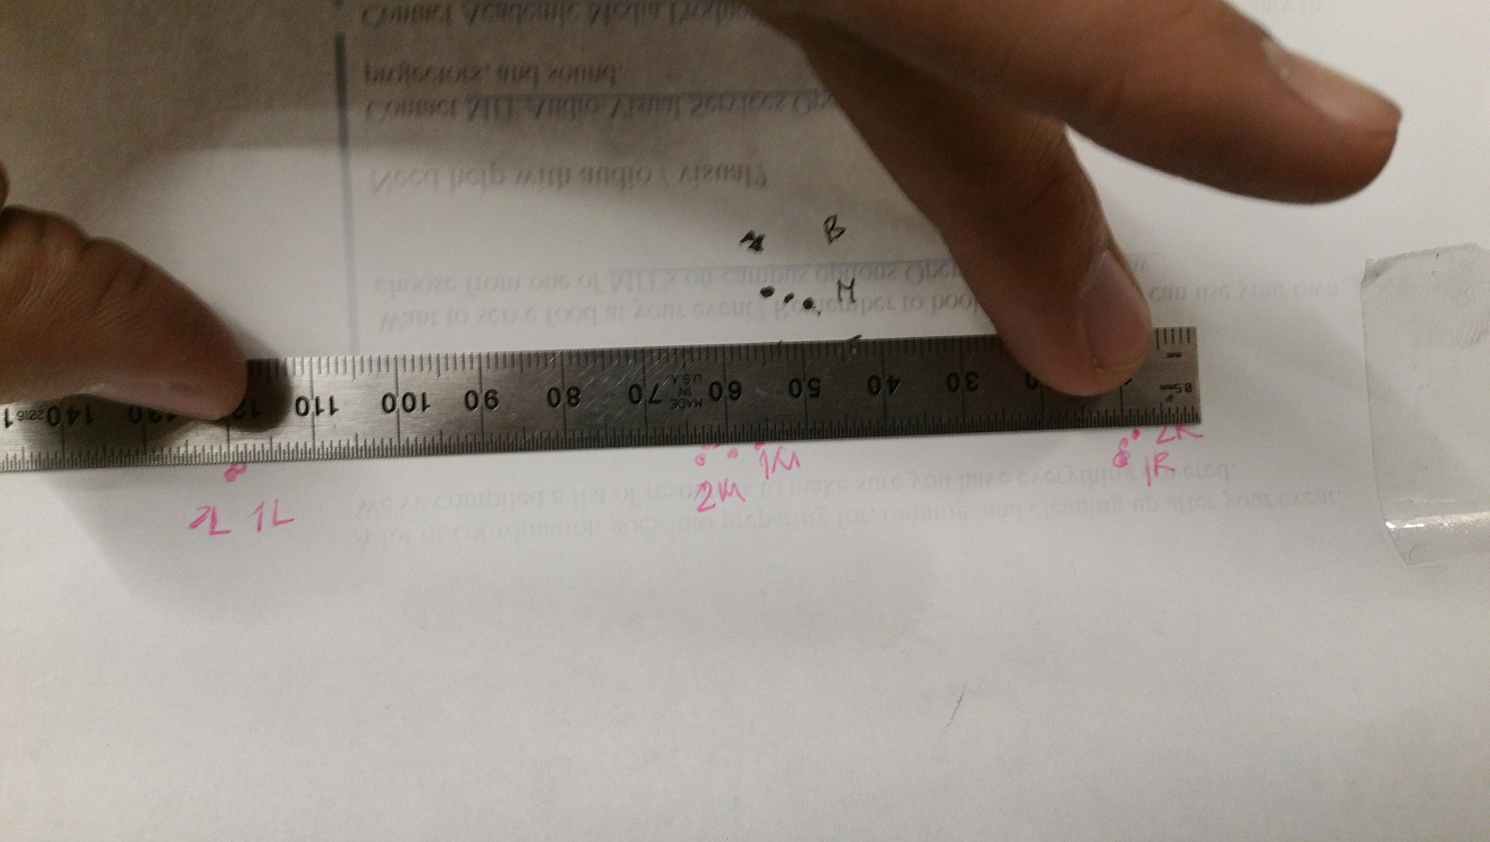
Pitch Measurement
Roll Measurement
Yaw Measurement

